Sheet1
20240312TUE

 | 0 | #2785

 |  | Mohon bantuannya untuk provide script untuk update NPWP name berdasarkan memo terlampir.
 |  | melanjutkan tiket 2645 : ada perubahan lagi untuk NPWP cust NOVO NORDISK terlampir. info dari user sebelumnya Perseroan terbatas, kemudian skrg disingkat menjadi PT

 |  | 8 maret : script sudah dilampirkan IMS, assign ke pak aryo untuk dicek scriptnya

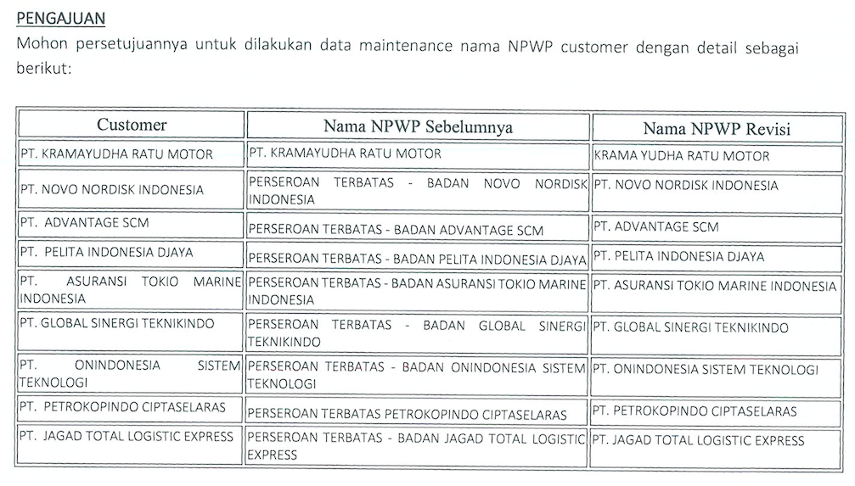

 |  |  |  |  |  |  |  |  |  |  |  |  |  |  |  |  |  |  |  |  |  |  |  |  |  |  |  |  |  |  |  |  |  |  |  |  |  |  |  |  |  |  |  |  |  |  |  |  |  |  |  |  |  |  | PT. KRAMAYUDHA RATU MOTOR |  |  |  |  |  |  |  |  |  |  |  |  |  |  |  |  |  |  |  |  |  |  | KRAMA YUDHA RATU MOTOR
 |  |  |  |  |  |  |  |  |  |  |  |  |  |  |  |  |  |  |  |  |  |  |  |  |  |  |  |  |  |  |  |  |  |  |  |  |  |  |  |  |  |  |  |  |  |  |  |  |  |  |  |  |  |  | PERSEROAN TERBATAS - BADAN NOVO NORDISK INDONESIA |  |  |  |  |  |  |  |  |  |  |  |  |  |  |  |  |  |  |  |  |  |  | PT. NOVO NORDISK INDONESIA
 |  |  |  |  |  |  |  |  |  |  |  |  |  |  |  |  |  |  |  |  |  |  |  |  |  |  |  |  |  |  |  |  |  |  |  |  |  |  |  |  |  |  |  |  |  |  |  |  |  |  |  |  |  |  | PERSEROAN TERBATAS - BADAN ADVANTAGE SCM |  |  |  |  |  |  |  |  |  |  |  |  |  |  |  |  |  |  |  |  |  |  | PT. ADVANTAGE SCM
 |  |  |  |  |  |  |  |  |  |  |  |  |  |  |  |  |  |  |  |  |  |  |  |  |  |  |  |  |  |  |  |  |  |  |  |  |  |  |  |  |  |  |  |  |  |  |  |  |  |  |  |  |  |  | PERSEROAN TERBATAS - BADAN PELITA INDONESIA DJAYA |  |  |  |  |  |  |  |  |  |  |  |  |  |  |  |  |  |  |  |  |  |  | PT. PELITA INDONESIA DJAYA
 |  |  |  |  |  |  |  |  |  |  |  |  |  |  |  |  |  |  |  |  |  |  |  |  |  |  |  |  |  |  |  |  |  |  |  |  |  |  |  |  |  |  |  |  |  |  |  |  |  |  |  |  |  |  | PERSEROAN TERBATAS - BADAN ASURANSI TOKIO MARINE INDONESIA |  |  |  |  |  |  |  |  |  |  |  |  |  |  |  |  |  |  |  |  |  |  | PT. ASURANSI TOKIO MARINE INDONESIA
 |  |  |  |  |  |  |  |  |  |  |  |  |  |  |  |  |  |  |  |  |  |  |  |  |  |  |  |  |  |  |  |  |  |  |  |  |  |  |  |  |  |  |  |  |  |  |  |  |  |  |  |  |  |  | PERSEROAN TERBATAS - BADAN GLOBAL SINERGI TEKNIKINDO |  |  |  |  |  |  |  |  |  |  |  |  |  |  |  |  |  |  |  |  |  |  | PT. GLOBAL SINERGI TEKNIKINDO
 |  |  |  |  |  |  |  |  |  |  |  |  |  |  |  |  |  |  |  |  |  |  |  |  |  |  |  |  |  |  |  |  |  |  |  |  |  |  |  |  |  |  |  |  |  |  |  |  |  |  |  |  |  |  | PERSEROAN TERBATAS - BADAN ONINDONESIA SISTEM TEKNOLOGI |  |  |  |  |  |  |  |  |  |  |  |  |  |  |  |  |  |  |  |  |  |  | PT. ONINDONESIA SISTEM TEKNOLOGI
 |  |  |  |  |  |  |  |  |  |  |  |  |  |  |  |  |  |  |  |  |  |  |  |  |  |  |  |  |  |  |  |  |  |  |  |  |  |  |  |  |  |  |  |  |  |  |  |  |  |  |  |  |  |  | PERSEROAN TERBATAS PETROKOPINDO CIPTASELARAS |  |  |  |  |  |  |  |  |  |  |  |  |  |  |  |  |  |  |  |  |  |  | PT. PETROKOPINDO CIPTASELARAS
 |  |  |  |  |  |  |  |  |  |  |  |  |  |  |  |  |  |  |  |  |  |  |  |  |  |  |  |  |  |  |  |  |  |  |  |  |  |  |  |  |  |  |  |  |  |  |  |  |  |  |  |  |  |  | PERSEROAN TERBATAS - BADANG JAGAD TOTAL LOGISTIC EXPRESS |  |  |  |  |  |  |  |  |  |  |  |  |  |  |  |  |  |  |  |  |  |  | PT. JAGAD TOTAL LOGISTIC EXPRESS

 |  |  |  |  |  |  |  |  |  |  |  |  |  |  |  |  |  |  |  |  |  |  |  |  |  |  |  |  |  |  |  |  |  |  |  |  |  |  |  |  |  |  |  |  |  |  |  |  |  |  |  |  |  |  | a.NPWP_NAME = 'PT. KRAMAYUDHA RATU MOTOR' or |  |  |  |  |  |  |  |  |  |  |  |  |  |  |  |  |  |  |  |  |  |  |  |  |  |  |  |  | select 'PT. KRAMAYUDHA RATU MOTOR' NPWP_NAME, 'KRAMA YUDHA RATU MOTOR' NEW_NPWP_NAME union all
 |  |  |  |  |  |  |  |  |  |  |  |  |  |  |  |  |  |  |  |  |  |  |  |  |  |  |  |  |  |  |  |  |  |  |  |  |  |  |  |  |  |  |  |  |  |  |  |  |  |  |  |  |  |  | a.NPWP_NAME = 'PERSEROAN TERBATAS - BADAN NOVO NORDISK INDONESIA' or |  |  |  |  |  |  |  |  |  |  |  |  |  |  |  |  |  |  |  |  |  |  |  |  |  |  |  |  | select 'PERSEROAN TERBATAS - BADAN NOVO NORDISK INDONESIA' NPWP_NAME, 'PT. NOVO NORDISK INDONESIA' NEW_NPWP_NAME union all
 |  |  |  |  |  |  |  |  |  |  |  |  |  |  |  |  |  |  |  |  |  |  |  |  |  |  |  |  |  |  |  |  |  |  |  |  |  |  |  |  |  |  |  |  |  |  |  |  |  |  |  |  |  |  | a.NPWP_NAME = 'PERSEROAN TERBATAS - BADAN ADVANTAGE SCM' or |  |  |  |  |  |  |  |  |  |  |  |  |  |  |  |  |  |  |  |  |  |  |  |  |  |  |  |  | select 'PERSEROAN TERBATAS - BADAN ADVANTAGE SCM' NPWP_NAME, 'PT. ADVANTAGE SCM' NEW_NPWP_NAME union all
 |  |  |  |  |  |  |  |  |  |  |  |  |  |  |  |  |  |  |  |  |  |  |  |  |  |  |  |  |  |  |  |  |  |  |  |  |  |  |  |  |  |  |  |  |  |  |  |  |  |  |  |  |  |  | a.NPWP_NAME = 'PERSEROAN TERBATAS - BADAN PELITA INDONESIA DJAYA' or |  |  |  |  |  |  |  |  |  |  |  |  |  |  |  |  |  |  |  |  |  |  |  |  |  |  |  |  | select 'PERSEROAN TERBATAS - BADAN PELITA INDONESIA DJAYA' NPWP_NAME, 'PT. PELITA INDONESIA DJAYA' NEW_NPWP_NAME union all
 |  |  |  |  |  |  |  |  |  |  |  |  |  |  |  |  |  |  |  |  |  |  |  |  |  |  |  |  |  |  |  |  |  |  |  |  |  |  |  |  |  |  |  |  |  |  |  |  |  |  |  |  |  |  | a.NPWP_NAME = 'PERSEROAN TERBATAS - BADAN ASURANSI TOKIO MARINE INDONESIA' or |  |  |  |  |  |  |  |  |  |  |  |  |  |  |  |  |  |  |  |  |  |  |  |  |  |  |  |  | select 'PERSEROAN TERBATAS - BADAN ASURANSI TOKIO MARINE INDONESIA' NPWP_NAME, 'PT. ASURANSI TOKIO MARINE INDONESIA' NEW_NPWP_NAME union all
 |  |  |  |  |  |  |  |  |  |  |  |  |  |  |  |  |  |  |  |  |  |  |  |  |  |  |  |  |  |  |  |  |  |  |  |  |  |  |  |  |  |  |  |  |  |  |  |  |  |  |  |  |  |  | a.NPWP_NAME = 'PERSEROAN TERBATAS - BADAN GLOBAL SINERGI TEKNIKINDO' or |  |  |  |  |  |  |  |  |  |  |  |  |  |  |  |  |  |  |  |  |  |  |  |  |  |  |  |  | select 'PERSEROAN TERBATAS - BADAN GLOBAL SINERGI TEKNIKINDO' NPWP_NAME, 'PT. GLOBAL SINERGI TEKNIKINDO' NEW_NPWP_NAME union all
 |  |  |  |  |  |  |  |  |  |  |  |  |  |  |  |  |  |  |  |  |  |  |  |  |  |  |  |  |  |  |  |  |  |  |  |  |  |  |  |  |  |  |  |  |  |  |  |  |  |  |  |  |  |  | a.NPWP_NAME = 'PERSEROAN TERBATAS - BADAN ONINDONESIA SISTEM TEKNOLOGI' or |  |  |  |  |  |  |  |  |  |  |  |  |  |  |  |  |  |  |  |  |  |  |  |  |  |  |  |  | select 'PERSEROAN TERBATAS - BADAN ONINDONESIA SISTEM TEKNOLOGI' NPWP_NAME, 'PT. ONINDONESIA SISTEM TEKNOLOGI' NEW_NPWP_NAME union all
 |  |  |  |  |  |  |  |  |  |  |  |  |  |  |  |  |  |  |  |  |  |  |  |  |  |  |  |  |  |  |  |  |  |  |  |  |  |  |  |  |  |  |  |  |  |  |  |  |  |  |  |  |  |  | a.NPWP_NAME = 'PERSEROAN TERBATAS PETROKOPINDO CIPTASELARAS' or |  |  |  |  |  |  |  |  |  |  |  |  |  |  |  |  |  |  |  |  |  |  |  |  |  |  |  |  | select 'PERSEROAN TERBATAS PETROKOPINDO CIPTASELARAS' NPWP_NAME, 'PT. PETROKOPINDO CIPTASELARAS' NEW_NPWP_NAME union all
 |  |  |  |  |  |  |  |  |  |  |  |  |  |  |  |  |  |  |  |  |  |  |  |  |  |  |  |  |  |  |  |  |  |  |  |  |  |  |  |  |  |  |  |  |  |  |  |  |  |  |  |  |  |  | a.NPWP_NAME = 'PERSEROAN TERBATAS - BADANG JAGAD TOTAL LOGISTIC EXPRESS' or |  |  |  |  |  |  |  |  |  |  |  |  |  |  |  |  |  |  |  |  |  |  |  |  |  |  |  |  | select 'PERSEROAN TERBATAS - BADANG JAGAD TOTAL LOGISTIC EXPRESS' NPWP_NAME, 'PT. JAGAD TOTAL LOGISTIC EXPRESS' NEW_NPWP_NAME union all

 |  | select a.NPWP_NAME,
 |  | a.MOD_BY, a.MOD_DATE, a.MOD_IP_ADDRESS, a.*
 |  | from IFINOPL.dbo.AGREEMENT_ASSET a
 |  | where
 |  | a.NPWP_NAME = 'PT. KRAMAYUDHA RATU MOTOR' or
 |  | a.NPWP_NAME = 'PERSEROAN TERBATAS - BADAN NOVO NORDISK INDONESIA' or
 |  | a.NPWP_NAME = 'PERSEROAN TERBATAS - BADAN ADVANTAGE SCM' or
 |  | a.NPWP_NAME = 'PERSEROAN TERBATAS - BADAN PELITA INDONESIA DJAYA' or
 |  | a.NPWP_NAME = 'PERSEROAN TERBATAS - BADAN ASURANSI TOKIO MARINE INDONESIA' or
 |  | a.NPWP_NAME = 'PERSEROAN TERBATAS - BADAN GLOBAL SINERGI TEKNIKINDO' or
 |  | a.NPWP_NAME = 'PERSEROAN TERBATAS - BADAN ONINDONESIA SISTEM TEKNOLOGI' or
 |  | a.NPWP_NAME = 'PERSEROAN TERBATAS PETROKOPINDO CIPTASELARAS' or
 |  | a.NPWP_NAME = 'PERSEROAN TERBATAS - BADANG JAGAD TOTAL LOGISTIC EXPRESS' or
 |  | order by a.NPWP_NAME, a.AGREEMENT_NO;

 |  | NPWP_NAME | MOD_BY | MOD_DATE | MOD_IP_ADDRESS | ASSET_NO | AGREEMENT_NO | ASSET_TYPE_CODE | ASSET_NAME | ASSET_YEAR | ASSET_CONDITION | ASSET_STATUS | BILLING_TO | BILLING_TO_NAME | BILLING_TO_AREA_NO | BILLING_TO_PHONE_NO | BILLING_TO_ADDRESS | BILLING_TO_FAKTUR_TYPE | BILLING_TYPE | BILLING_MODE | BILLING_MODE_DATE | BILLING_TO_NPWP | NPWP_NAME | NPWP_ADDRESS | IS_PURCHASE_REQUIREMENT_AFTER_LEASE | DELIVER_TO | DELIVER_TO_NAME | DELIVER_TO_AREA_NO | DELIVER_TO_PHONE_NO | DELIVER_TO_ADDRESS | PICKUP_NAME | PICKUP_PHONE_AREA_NO | PICKUP_PHONE_NO | PICKUP_ADDRESS | MARKET_VALUE | KAROSERI_AMOUNT | ACCESSORIES_AMOUNT | MOBILIZATION_AMOUNT | ASSET_AMOUNT | ASSET_INTEREST_RATE | ASSET_INTEREST_AMOUNT | ASSET_RV_PCT | ASSET_RV_AMOUNT | PERIODE | FIRST_PAYMENT_TYPE | LEASE_OPTION | COGS_AMOUNT | BASIC_LEASE_AMOUNT | MARGIN_BY | MARGIN_RATE | MARGIN_AMOUNT | ADDITIONAL_CHARGE_RATE | ADDITIONAL_CHARGE_AMOUNT | LEASE_AMOUNT | LEASE_ROUND_TYPE | LEASE_ROUND_AMOUNT | LEASE_ROUNDED_AMOUNT | NET_MARGIN_AMOUNT | HANDOVER_CODE | HANDOVER_BAST_DATE | HANDOVER_STATUS | HANDOVER_REMARK | FA_CODE | FA_NAME | FA_REFF_NO_01 | FA_REFF_NO_02 | FA_REFF_NO_03 | REPLACEMENT_FA_CODE | REPLACEMENT_FA_NAME | REPLACEMENT_FA_REFF_NO_01 | REPLACEMENT_FA_REFF_NO_02 | REPLACEMENT_FA_REFF_NO_03 | REPLACEMENT_END_DATE | RETURN_DATE | RETURN_STATUS | RETURN_REMARK | EMAIL | IS_AUTO_EMAIL | IS_OTR | BBN_LOCATION_CODE | BBN_LOCATION_DESCRIPTION | PLAT_COLOUR | USAGE | START_MILES | MONTHLY_MILES | IS_USE_REGISTRATION | IS_USE_REPLACEMENT | IS_USE_MAINTENANCE | ESTIMATE_DELIVERY_DATE | ESTIMATE_PO_DATE | IS_REQUEST_GTS | IS_BBN_CLIENT | CLIENT_BBN_NAME | CLIENT_BBN_ADDRESS | PMT_AMOUNT | INITIAL_PRICE_AMOUNT | SUBVENTION_AMOUNT | SPAF_AMOUNT | INSURANCE_COMMISSION_AMOUNT | AVERAGE_ASSET_AMOUNT | YEARLY_PROFIT_AMOUNT | ROA_PCT | BUDGET_MAINTENANCE_AMOUNT | BUDGET_INSURANCE_AMOUNT | BUDGET_REPLACEMENT_AMOUNT | BUDGET_REGISTRATION_AMOUNT | TOTAL_BUDGET_AMOUNT | MOBILIZATION_CITY_CODE | MOBILIZATION_CITY_DESCRIPTION | MOBILIZATION_PROVINCE_CODE | MOBILIZATION_PROVINCE_DESCRIPTION | BORROWING_INTEREST_RATE | BORROWING_INTEREST_AMOUNT | DISCOUNT_AMOUNT | DISCOUNT_KAROSERI_AMOUNT | DISCOUNT_ACCESSORIES_AMOUNT | SURAT_NO | CRE_DATE | CRE_BY | CRE_IP_ADDRESS | MOD_DATE | MOD_BY | MOD_IP_ADDRESS | IS_INVOICE_DEDUCT_PPH | IS_RECEIPT_DEDUCT_PPH | OTR_AMOUNT | MONTHLY_RENTAL_ROUNDED_AMOUNT
 |  | PERSEROAN TERBATAS - BADAN ASURANSI TOKIO MARINE INDONESIA | job | 2024-02-27 11:37:28 | 127.0.0.1 | 0000644.4.01.02.2021-1 | 0000644.4.01.02.2021 | VHCL | MITSUBISHI-XPANDER 1.5L EXCEED-L (4X2) A/T MY21 | 2021 | NEW | RETURN | OTHER | Sancoyo Setiabudi | 62 | 021 5725772 | SENTRAL SENAYAN LANTAI 3-4 , JL. ASIA AFRIKA Blok - No.8 RT:000 RW:000 Kel.GELORA Kec.TANAH ABANG Kota/Kab.JAKARTA PUSAT DKI JAKARTA 00000 | 1 | MNT | NORMAL | 0 | 01.304.243.7-073.000 | PERSEROAN TERBATAS - BADAN ASURANSI TOKIO MARINE INDONESIA | SENTRAL SENAYAN LANTAI 3-4 , JL. ASIA AFRIKA Blok - No.8 RT:000 RW:000 Kel.GELORA Kec.TANAH ABANG Kota/Kab.JAKARTA PUSAT DKI JAKARTA 00000 | 0 | CLIENT | Sancoyo Setiabudi |  | 021 5725772 | SENTRAL SENAYAN LANTAI 3-4 , JL. ASIA AFRIKA Blok - No.8 RT:000 RW:000 Kel.GELORA Kec.TANAH ABANG Kota/Kab.JAKARTA PUSAT DKI JAKARTA 00000 | NULL | NULL | NULL | NULL | 227454545 | 0 | 0 | 3500000 | 227454545 | 13.57 | 0 | 44 | 68236363.5 | 36 | ARR | FULL | 0 | 6700000 | ALL | 0 | 0 | 0 | 0 | 6700000 | NORMAL | 100 | 6700000 | 0 | NULL | 2021-03-08 00:00:00 | POST | NULL | 4120036505 | XPANDER 1.5L EXCEED-L (4X2) A/T MY21 | B2127UOY | MK2NCLHARMJ000414 | 4A91KAA3285 | NULL | NULL | NULL | NULL | NULL | NULL | NULL | NULL | NULL | NULL | 0 | Y | NULL | NULL | NULL | NULL | NULL | NULL | NULL | NULL | 1 | NULL | NULL | NULL | NULL | NULL | NULL | NULL | 0 | NULL | NULL | NULL | NULL | NULL | NULL | 21600000 | 18700000 | 8892000 | 31500000 | 84192000 | NULL | NULL | NULL | NULL | 7 | 25378351.72 | 0 | 0 | 0 | NULL | 2023-11-03 22:23:37 | MIGRASI | MIGRASI | 2024-02-27 11:37:28 | job | 127.0.0.1 | 1 | 1 | 0 | NULL
 |  | PERSEROAN TERBATAS - BADAN ASURANSI TOKIO MARINE INDONESIA | MIGRASI | 2023-11-03 22:23:37 | MIGRASI | 0000887.4.01.11.2021-1 | 0000887.4.01.11.2021 | VHCL | MITSUBISHI-XPANDER 1.5L GLS-L (4X2) A/T MY21 | 2021 | NEW | RENTED | OTHER | Sancoyo Setiabudi | 62 | 021 5725772 | SENTRAL SENAYAN LANTAI 3-4 , JL. ASIA AFRIKA Blok - No.8 RT:000 RW:000 Kel.GELORA Kec.TANAH ABANG Kota/Kab.JAKARTA PUSAT DKI JAKARTA 00000 | 1 | MNT | NORMAL | 0 | 01.304.243.7-073.000 | PERSEROAN TERBATAS - BADAN ASURANSI TOKIO MARINE INDONESIA | SENTRAL SENAYAN LANTAI 3-4 , JL. ASIA AFRIKA Blok - No.8 RT:000 RW:000 Kel.GELORA Kec.TANAH ABANG Kota/Kab.JAKARTA PUSAT DKI JAKARTA 00000 | 0 | CLIENT | Sancoyo Setiabudi |  | 021 5725772 | SENTRAL SENAYAN LANTAI 3-4 , JL. ASIA AFRIKA Blok - No.8 RT:000 RW:000 Kel.GELORA Kec.TANAH ABANG Kota/Kab.JAKARTA PUSAT DKI JAKARTA 00000 | NULL | NULL | NULL | NULL | 222636364 | 0 | 0 | 5400000 | 222636364 | 13.891 | 0 | 44 | 66790909.2 | 36 | ARR | FULL | 0 | 6600000 | ALL | 0 | 0 | 0 | 0 | 6600000 | NORMAL | 100 | 6600000 | 0 | NULL | 2021-12-15 00:00:00 | POST | NULL | 4120038213 | XPANDER 1.5L GLS-L (4X2) A/T MY21 | L1457AAO | MK2NCLMARMJ001165 | 4A91KAJ7120 | NULL | NULL | NULL | NULL | NULL | NULL | NULL | NULL | NULL | NULL | 0 | Y | NULL | NULL | NULL | NULL | NULL | NULL | NULL | NULL | 1 | NULL | NULL | NULL | NULL | NULL | NULL | NULL | 0 | NULL | NULL | NULL | NULL | NULL | NULL | 23400000 | 19000000 | 8816400 | 17400000 | 74016400 | NULL | NULL | NULL | NULL | 6.68 | 23669793.92 | 0 | 0 | 0 | NULL | 2023-11-03 22:23:37 | MIGRASI | MIGRASI | 2023-11-03 22:23:37 | MIGRASI | MIGRASI | 1 | 1 | 0 | 6600000
 |  | PERSEROAN TERBATAS - BADAN ASURANSI TOKIO MARINE INDONESIA | MIGRASI | 2023-11-03 22:23:37 | MIGRASI | 0001114.4.01.08.2022-1 | 0001114.4.01.08.2022 | VHCL | MITSUBISHI-XPANDER 1.5L SPORT (4X2) A/T | 2019 | USED | RENTED | OTHER | Sancoyo Setiabudi | 62 | 021 5725772 | SENTRAL SENAYAN LANTAI 3-4 , JL. ASIA AFRIKA Blok - No.8 RT:000 RW:000 Kel.GELORA Kec.TANAH ABANG Kota/Kab.JAKARTA PUSAT DKI JAKARTA 00000 | 1 | MNT | NORMAL | 0 | 01.304.243.7-073.000 | PERSEROAN TERBATAS - BADAN ASURANSI TOKIO MARINE INDONESIA | SENTRAL SENAYAN LANTAI 3-4 , JL. ASIA AFRIKA Blok - No.8 RT:000 RW:000 Kel.GELORA Kec.TANAH ABANG Kota/Kab.JAKARTA PUSAT DKI JAKARTA 00000 | 0 | CLIENT | Sancoyo Setiabudi |  | 021 5725772 | SENTRAL SENAYAN LANTAI 3-4 , JL. ASIA AFRIKA Blok - No.8 RT:000 RW:000 Kel.GELORA Kec.TANAH ABANG Kota/Kab.JAKARTA PUSAT DKI JAKARTA 00000 | NULL | NULL | NULL | NULL | 210000000 | 0 | 0 | 0 | 210000000 | 14.32 | 0 | 44 | 98936840.2 | 36 | ARR | FULL | 0 | 6500000 | ALL | 0 | 0 | 0 | 0 | 6500000 | NORMAL | 100 | 6500000 | 0 | NULL | 2022-09-17 00:00:00 | POST | NULL | 4120034673 | XPANDER 1.5L SPORT (4X2) A/T | B2328PKG | MK2NCWPARKJ004514 | 4A91GT3773 | NULL | NULL | NULL | NULL | NULL | NULL | NULL | NULL | NULL | NULL | 0 | Y | NULL | NULL | NULL | NULL | NULL | NULL | NULL | NULL | 1 | NULL | NULL | NULL | NULL | NULL | NULL | NULL | 0 | NULL | NULL | NULL | NULL | NULL | NULL | 25200000 | 20000000 | 7347000 | 16500000 | 69047000 | NULL | NULL | NULL | NULL | 8.13 | 27356569.8 | 0 | 0 | 0 | NULL | 2023-11-03 22:23:37 | MIGRASI | MIGRASI | 2023-11-03 22:23:37 | MIGRASI | MIGRASI | 1 | 1 | 0 | 6500000
 |  | PERSEROAN TERBATAS - BADAN ASURANSI TOKIO MARINE INDONESIA | MIGRASI | 2023-11-03 22:23:37 | MIGRASI | 0001189.4.01.12.2022-1 | 0001189.4.01.12.2022 | VHCL | MITSUBISHI-NEW XPANDER 1.5L ULTIMATE-L (4X2) CVT | 2022 | NEW | RENTED | OTHER | Sancoyo Setiabudi | 62 | 021 5725772 | SENTRAL SENAYAN LANTAI 3-4 , JL. ASIA AFRIKA Blok - No.8 RT:000 RW:000 Kel.GELORA Kec.TANAH ABANG Kota/Kab.JAKARTA PUSAT DKI JAKARTA 00000 | 1 | MNT | NORMAL | 0 | 01.304.243.7-073.000 | PERSEROAN TERBATAS - BADAN ASURANSI TOKIO MARINE INDONESIA | SENTRAL SENAYAN LANTAI 3-4 , JL. ASIA AFRIKA Blok - No.8 RT:000 RW:000 Kel.GELORA Kec.TANAH ABANG Kota/Kab.JAKARTA PUSAT DKI JAKARTA 00000 | 0 | CLIENT | Sancoyo Setiabudi |  | 021 5725772 | SENTRAL SENAYAN LANTAI 3-4 , JL. ASIA AFRIKA Blok - No.8 RT:000 RW:000 Kel.GELORA Kec.TANAH ABANG Kota/Kab.JAKARTA PUSAT DKI JAKARTA 00000 | NULL | NULL | NULL | NULL | 268263964 | 0 | 0 | 0 | 268263964 | 13.889 | 0 | 44 | 115954401.2 | 48 | ARR | FULL | 0 | 7450000 | ALL | 0 | 0 | 0 | 0 | 7450000 | NORMAL | 100 | 7450000 | 0 | NULL | 2023-01-18 00:00:00 | POST | NULL | 4120041958 | NEW XPANDER 1.5L ULTIMATE-L (4X2) CVT | B2382POY | MK2NCLTATNJ018194 | 4A91KBA9245 | NULL | NULL | NULL | NULL | NULL | NULL | NULL | NULL | NULL | NULL | 0 | Y | NULL | NULL | NULL | NULL | NULL | NULL | NULL | NULL | 1 | NULL | NULL | NULL | NULL | NULL | NULL | NULL | 0 | NULL | NULL | NULL | NULL | NULL | NULL | 45600000 | 32000000 | 14020800 | 28400000 | 120020800 | NULL | NULL | NULL | NULL | 9.5 | 55238383.04 | 0 | 0 | 0 | NULL | 2023-11-03 22:23:37 | MIGRASI | MIGRASI | 2023-11-03 22:23:37 | MIGRASI | MIGRASI | 1 | 1 | 0 | 7450000
 |  | PERSEROAN TERBATAS - BADAN ASURANSI TOKIO MARINE INDONESIA | MIGRASI | 2023-11-03 22:23:37 | MIGRASI | 0001190.4.01.12.2022-1 | 0001190.4.01.12.2022 | VHCL | MITSUBISHI-NEW XPANDER 1.5L SPORT-L (4X2) CVT | 2022 | NEW | RENTED | OTHER | Sancoyo Setiabudi | 62 | 021 5725772 | SENTRAL SENAYAN LANTAI 3-4 , JL. ASIA AFRIKA Blok - No.8 RT:000 RW:000 Kel.GELORA Kec.TANAH ABANG Kota/Kab.JAKARTA PUSAT DKI JAKARTA 00000 | 1 | MNT | NORMAL | 0 | 01.304.243.7-073.000 | PERSEROAN TERBATAS - BADAN ASURANSI TOKIO MARINE INDONESIA | SENTRAL SENAYAN LANTAI 3-4 , JL. ASIA AFRIKA Blok - No.8 RT:000 RW:000 Kel.GELORA Kec.TANAH ABANG Kota/Kab.JAKARTA PUSAT DKI JAKARTA 00000 | 0 | CLIENT | Sancoyo Setiabudi |  | 021 5725772 | SENTRAL SENAYAN LANTAI 3-4 , JL. ASIA AFRIKA Blok - No.8 RT:000 RW:000 Kel.GELORA Kec.TANAH ABANG Kota/Kab.JAKARTA PUSAT DKI JAKARTA 00000 | NULL | NULL | NULL | NULL | 272432432 | 0 | 0 | 0 | 272432432 | 13.543 | 0 | 44 | 117816937.04 | 48 | ARR | FULL | 0 | 7350000 | ALL | 0 | 0 | 0 | 0 | 7350000 | NORMAL | 100 | 7350000 | 0 | NULL | 2023-01-30 00:00:00 | POST | NULL | 4120042101 | NEW XPANDER 1.5L SPORT-L (4X2) CVT | B2278PZD | MK2NCLPATNJ001392 | 4A91KBD3593 | NULL | NULL | NULL | NULL | NULL | NULL | NULL | NULL | NULL | NULL | 0 | Y | NULL | NULL | NULL | NULL | NULL | NULL | NULL | NULL | 1 | NULL | NULL | NULL | NULL | NULL | NULL | NULL | 0 | NULL | NULL | NULL | NULL | NULL | NULL | 22800000 | 16000000 | 7336800 | 14200000 | 60336800 | NULL | NULL | NULL | NULL | 9.5 | 56096714.56 | 0 | 0 | 0 | NULL | 2023-11-03 22:23:37 | MIGRASI | MIGRASI | 2023-11-03 22:23:37 | MIGRASI | MIGRASI | 1 | 1 | 0 | 7350000
 |  | PERSEROAN TERBATAS - BADAN ASURANSI TOKIO MARINE INDONESIA | MIGRASI | 2023-11-03 22:23:37 | MIGRASI | 0001190.4.01.12.2022-2 | 0001190.4.01.12.2022 | VHCL | MITSUBISHI-NEW XPANDER 1.5L SPORT-L (4X2) CVT | 2022 | NEW | RENTED | OTHER | Sancoyo Setiabudi | 62 | 021 5725772 | SENTRAL SENAYAN LANTAI 3-4 , JL. ASIA AFRIKA Blok - No.8 RT:000 RW:000 Kel.GELORA Kec.TANAH ABANG Kota/Kab.JAKARTA PUSAT DKI JAKARTA 00000 | 1 | MNT | NORMAL | 0 | 01.304.243.7-073.000 | PERSEROAN TERBATAS - BADAN ASURANSI TOKIO MARINE INDONESIA | SENTRAL SENAYAN LANTAI 3-4 , JL. ASIA AFRIKA Blok - No.8 RT:000 RW:000 Kel.GELORA Kec.TANAH ABANG Kota/Kab.JAKARTA PUSAT DKI JAKARTA 00000 | 0 | CLIENT | Sancoyo Setiabudi |  | 021 5725772 | SENTRAL SENAYAN LANTAI 3-4 , JL. ASIA AFRIKA Blok - No.8 RT:000 RW:000 Kel.GELORA Kec.TANAH ABANG Kota/Kab.JAKARTA PUSAT DKI JAKARTA 00000 | NULL | NULL | NULL | NULL | 272432432 | 0 | 0 | 0 | 272432432 | 13.543 | 0 | 44 | 117816937.04 | 48 | ARR | FULL | 0 | 7350000 | ALL | 0 | 0 | 0 | 0 | 7350000 | NORMAL | 100 | 7350000 | 0 | NULL | 2023-01-30 00:00:00 | POST | NULL | 4120042102 | NEW XPANDER 1.5L SPORT-L (4X2) CVT | B2603PZF | MK2NCLPATNJ001398 | 4A91KBD4848 | NULL | NULL | NULL | NULL | NULL | NULL | NULL | NULL | NULL | NULL | 0 | Y | NULL | NULL | NULL | NULL | NULL | NULL | NULL | NULL | 1 | NULL | NULL | NULL | NULL | NULL | NULL | NULL | 0 | NULL | NULL | NULL | NULL | NULL | NULL | 22800000 | 16000000 | 7336800 | 14200000 | 60336800 | NULL | NULL | NULL | NULL | 9.5 | 56096714.56 | 0 | 0 | 0 | NULL | 2023-11-03 22:23:37 | MIGRASI | MIGRASI | 2023-11-03 22:23:37 | MIGRASI | MIGRASI | 1 | 1 | 0 | 7350000
 |  | PERSEROAN TERBATAS - BADAN ASURANSI TOKIO MARINE INDONESIA | MIGRASI | 2023-11-03 22:23:37 | MIGRASI | 0001191.4.01.12.2022-1 | 0001191.4.01.12.2022 | VHCL | MITSUBISHI-NEW XPANDER CROSS 1.5L PLUS 4X2 CVT | 2022 | NEW | RENTED | OTHER | Sancoyo Setiabudi | 62 | 021 5725772 | SENTRAL SENAYAN LANTAI 3-4 , JL. ASIA AFRIKA Blok - No.8 RT:000 RW:000 Kel.GELORA Kec.TANAH ABANG Kota/Kab.JAKARTA PUSAT DKI JAKARTA 00000 | 1 | MNT | NORMAL | 0 | 01.304.243.7-073.000 | PERSEROAN TERBATAS - BADAN ASURANSI TOKIO MARINE INDONESIA | SENTRAL SENAYAN LANTAI 3-4 , JL. ASIA AFRIKA Blok - No.8 RT:000 RW:000 Kel.GELORA Kec.TANAH ABANG Kota/Kab.JAKARTA PUSAT DKI JAKARTA 00000 | 0 | CLIENT | Sancoyo Setiabudi |  | 021 5725772 | SENTRAL SENAYAN LANTAI 3-4 , JL. ASIA AFRIKA Blok - No.8 RT:000 RW:000 Kel.GELORA Kec.TANAH ABANG Kota/Kab.JAKARTA PUSAT DKI JAKARTA 00000 | NULL | NULL | NULL | NULL | 298061253 | 0 | 0 | 0 | 298061253 | 13.945 | 0 | 44 | 131146951.32 | 48 | ARR | FULL | 0 | 7995000 | ALL | 0 | 0 | 0 | 0 | 7995000 | NORMAL | 100 | 7995000 | 0 | NULL | 2023-02-15 00:00:00 | POST | NULL | 4120042033 | NEW XPANDER CROSS 1.5L PLUS 4X2 CVT | B2607PZF | MK2NCXTATNJ010025 | 4A91KBD7042 | NULL | NULL | NULL | NULL | NULL | NULL | NULL | NULL | NULL | NULL | 0 | Y | NULL | NULL | NULL | NULL | NULL | NULL | NULL | NULL | 1 | NULL | NULL | NULL | NULL | NULL | NULL | NULL | 0 | NULL | NULL | NULL | NULL | NULL | NULL | 43200000 | 30000000 | 14553000 | 28400000 | 116153000 | NULL | NULL | NULL | NULL | 9.5 | 61373959.8 | 0 | 0 | 0 | NULL | 2023-11-03 22:23:37 | MIGRASI | MIGRASI | 2023-11-03 22:23:37 | MIGRASI | MIGRASI | 1 | 1 | 0 | 7995000
 |  | PERSEROAN TERBATAS - BADAN ASURANSI TOKIO MARINE INDONESIA | MIGRASI | 2023-11-03 22:23:37 | MIGRASI | 0001192.4.01.12.2022-1 | 0001192.4.01.12.2022 | VHCL | MITSUBISHI-NEW XPANDER 1.5L SPORT-L (4X2) CVT | 2022 | NEW | RENTED | OTHER | Sancoyo Setiabudi | 62 | 021 5725772 | SENTRAL SENAYAN LANTAI 3-4 , JL. ASIA AFRIKA Blok - No.8 RT:000 RW:000 Kel.GELORA Kec.TANAH ABANG Kota/Kab.JAKARTA PUSAT DKI JAKARTA 00000 | 1 | MNT | NORMAL | 0 | 01.304.243.7-073.000 | PERSEROAN TERBATAS - BADAN ASURANSI TOKIO MARINE INDONESIA | SENTRAL SENAYAN LANTAI 3-4 , JL. ASIA AFRIKA Blok - No.8 RT:000 RW:000 Kel.GELORA Kec.TANAH ABANG Kota/Kab.JAKARTA PUSAT DKI JAKARTA 00000 | 0 | CLIENT | Sancoyo Setiabudi |  | 021 5725772 | SENTRAL SENAYAN LANTAI 3-4 , JL. ASIA AFRIKA Blok - No.8 RT:000 RW:000 Kel.GELORA Kec.TANAH ABANG Kota/Kab.JAKARTA PUSAT DKI JAKARTA 00000 | NULL | NULL | NULL | NULL | 267876757 | 0 | 0 | 1250000 | 267876757 | 14.255 | 0 | 44 | 117865773.08 | 48 | ARR | FULL | 0 | 7375000 | ALL | 0 | 0 | 0 | 0 | 7375000 | NORMAL | 100 | 7375000 | 0 | NULL | 2023-02-02 00:00:00 | POST | NULL | 4120041960 | NEW XPANDER 1.5L SPORT-L (4X2) CVT | B2108POY | MK2NCLPATNJ001333 | 4A91KBB0963 | NULL | NULL | NULL | NULL | NULL | NULL | NULL | NULL | NULL | NULL | 0 | Y | NULL | NULL | NULL | NULL | NULL | NULL | NULL | NULL | 1 | NULL | NULL | NULL | NULL | NULL | NULL | NULL | 0 | NULL | NULL | NULL | NULL | NULL | NULL | 43200000 | 30000000 | 13857600 | 26400000 | 114707600 | NULL | NULL | NULL | NULL | 9.5 | 55158653.24 | 0 | 0 | 0 | NULL | 2023-11-03 22:23:37 | MIGRASI | MIGRASI | 2023-11-03 22:23:37 | MIGRASI | MIGRASI | 1 | 1 | 0 | 7375000
 |  | PERSEROAN TERBATAS - BADAN ASURANSI TOKIO MARINE INDONESIA | MIGRASI | 2023-11-03 22:23:37 | MIGRASI | 0001256.4.01.01.2023-1 | 0001256.4.01.01.2023 | VHCL | MITSUBISHI-NEW XPANDER 1.5L ULTIMATE-L (4X2) CVT | 2022 | NEW | RENTED | OTHER | Sancoyo Setiabudi | 62 | 021 5725772 | SENTRAL SENAYAN LANTAI 3-4 , JL. ASIA AFRIKA Blok - No.8 RT:000 RW:000 Kel.GELORA Kec.TANAH ABANG Kota/Kab.JAKARTA PUSAT DKI JAKARTA 00000 | 1 | MNT | NORMAL | 0 | 01.304.243.7-073.000 | PERSEROAN TERBATAS - BADAN ASURANSI TOKIO MARINE INDONESIA | SENTRAL SENAYAN LANTAI 3-4 , JL. ASIA AFRIKA Blok - No.8 RT:000 RW:000 Kel.GELORA Kec.TANAH ABANG Kota/Kab.JAKARTA PUSAT DKI JAKARTA 00000 | 0 | CLIENT | Sancoyo Setiabudi |  | 021 5725772 | SENTRAL SENAYAN LANTAI 3-4 , JL. ASIA AFRIKA Blok - No.8 RT:000 RW:000 Kel.GELORA Kec.TANAH ABANG Kota/Kab.JAKARTA PUSAT DKI JAKARTA 00000 | NULL | NULL | NULL | NULL | 271557838 | 0 | 0 | 8000000 | 271557838 | 14.999 | 0 | 44 | 119485448.72 | 48 | ARR | FULL | 0 | 7900000 | ALL | 0 | 0 | 0 | 0 | 7900000 | NORMAL | 100 | 7900000 | 0 | NULL | 2023-02-19 00:00:00 | POST | NULL | 4120042134 | NEW XPANDER 1.5L ULTIMATE-L (4X2) CVT | B2349PZG | MK2NCLTATNJ019685 | 4A91KBB9875 | NULL | NULL | NULL | NULL | NULL | NULL | NULL | NULL | NULL | NULL | 0 | Y | NULL | NULL | NULL | NULL | NULL | NULL | NULL | NULL | 1 | NULL | NULL | NULL | NULL | NULL | NULL | NULL | 0 | NULL | NULL | NULL | NULL | NULL | NULL | 45600000 | 32000000 | 14380800 | 28400000 | 128380800 | NULL | NULL | NULL | NULL | 9.5 | 55916626.64 | 0 | 0 | 0 | NULL | 2023-11-03 22:23:37 | MIGRASI | MIGRASI | 2023-11-03 22:23:37 | MIGRASI | MIGRASI | 1 | 1 | 0 | 7900000
 |  | PERSEROAN TERBATAS - BADAN ASURANSI TOKIO MARINE INDONESIA | MIGRASI | 2023-11-03 22:23:37 | MIGRASI | 0001271.4.01.02.2023-1 | 0001271.4.01.02.2023 | VHCL | MITSUBISHI-XPANDER CROSS 1.5L PLUS 4X2 A/T | 2020 | USED | RENTED | OTHER | Sancoyo Setiabudi | 62 | 021 5725772 | SENTRAL SENAYAN LANTAI 3-4 , JL. ASIA AFRIKA Blok - No.8 RT:000 RW:000 Kel.GELORA Kec.TANAH ABANG Kota/Kab.JAKARTA PUSAT DKI JAKARTA 00000 | 1 | MNT | NORMAL | 0 | 01.304.243.7-073.000 | PERSEROAN TERBATAS - BADAN ASURANSI TOKIO MARINE INDONESIA | SENTRAL SENAYAN LANTAI 3-4 , JL. ASIA AFRIKA Blok - No.8 RT:000 RW:000 Kel.GELORA Kec.TANAH ABANG Kota/Kab.JAKARTA PUSAT DKI JAKARTA 00000 | 0 | CLIENT | Sancoyo Setiabudi |  | 021 5725772 | SENTRAL SENAYAN LANTAI 3-4 , JL. ASIA AFRIKA Blok - No.8 RT:000 RW:000 Kel.GELORA Kec.TANAH ABANG Kota/Kab.JAKARTA PUSAT DKI JAKARTA 00000 | NULL | NULL | NULL | NULL | 179614000 | 0 | 0 | 0 | 179614000 | 15.29 | 0 | 44 | 113191999.8 | 36 | ARR | FULL | 0 | 6950000 | ALL | 0 | 0 | 0 | 0 | 6950000 | NORMAL | 100 | 6950000 | 0 | NULL | 2023-02-28 00:00:00 | POST | NULL | 4120035028 | XPANDER CROSS 1.5L PLUS 4X2 A/T | B2131PKQ | MK2NCXTARLJ002248 | 4A91HQ5963 | NULL | NULL | NULL | NULL | NULL | NULL | NULL | NULL | NULL | NULL | 0 | Y | NULL | NULL | NULL | NULL | NULL | NULL | NULL | NULL | 1 | NULL | NULL | NULL | NULL | NULL | NULL | NULL | 0 | NULL | NULL | NULL | NULL | NULL | NULL | 32400000 | 25000000 | 12586500 | 19500000 | 89486500 | NULL | NULL | NULL | NULL | 9.5 | 27514384.28 | 0 | 0 | 0 | NULL | 2023-11-03 22:23:37 | MIGRASI | MIGRASI | 2023-11-03 22:23:37 | MIGRASI | MIGRASI | 1 | 1 | 0 | 6950000
 |  | PERSEROAN TERBATAS - BADAN ASURANSI TOKIO MARINE INDONESIA | MIGRASI | 2023-11-03 22:23:37 | MIGRASI | 0001272.4.01.02.2023-1 | 0001272.4.01.02.2023 | VHCL | MITSUBISHI-OUTLANDER PHEV ULTIMATE 4X4 A/T (2.4L A/T) | 2019 | USED | RENTED | OTHER | Sancoyo Setiabudi | 62 | 021 5725772 | SENTRAL SENAYAN LANTAI 3-4 , JL. ASIA AFRIKA Blok - No.8 RT:000 RW:000 Kel.GELORA Kec.TANAH ABANG Kota/Kab.JAKARTA PUSAT DKI JAKARTA 00000 | 1 | MNT | NORMAL | 0 | 01.304.243.7-073.000 | PERSEROAN TERBATAS - BADAN ASURANSI TOKIO MARINE INDONESIA | SENTRAL SENAYAN LANTAI 3-4 , JL. ASIA AFRIKA Blok - No.8 RT:000 RW:000 Kel.GELORA Kec.TANAH ABANG Kota/Kab.JAKARTA PUSAT DKI JAKARTA 00000 | 0 | CLIENT | Sancoyo Setiabudi |  | 021 5725772 | SENTRAL SENAYAN LANTAI 3-4 , JL. ASIA AFRIKA Blok - No.8 RT:000 RW:000 Kel.GELORA Kec.TANAH ABANG Kota/Kab.JAKARTA PUSAT DKI JAKARTA 00000 | NULL | NULL | NULL | NULL | 625833333 | 0 | 0 | 0 | 625833333 | 15.981 | 0 | 44 | 518893960.2 | 36 | ARR | FULL | 0 | 27500000 | ALL | 0 | 0 | 0 | 0 | 27500000 | NORMAL | 100 | 27500000 | 0 | NULL | 2023-02-24 00:00:00 | POST | NULL | 4120034969 | OUTLANDER PHEV ULTIMATE 4X4 A/T (2.4L A/T) | B1311PJQ | JMYXDGG3WKZ000113 | 4B12BR0327 | NULL | NULL | NULL | NULL | NULL | NULL | NULL | NULL | NULL | NULL | 0 | Y | NULL | NULL | NULL | NULL | NULL | NULL | NULL | NULL | 1 | NULL | NULL | NULL | NULL | NULL | NULL | NULL | 0 | NULL | NULL | NULL | NULL | NULL | NULL | 61200000 | 47500000 | 50271000 | 69000000 | 227971000 | NULL | NULL | NULL | NULL | 9.5 | 95869024.2 | 0 | 0 | 0 | NULL | 2023-11-03 22:23:37 | MIGRASI | MIGRASI | 2023-11-03 22:23:37 | MIGRASI | MIGRASI | 1 | 1 | 0 | 27500000
 |  | PERSEROAN TERBATAS - BADAN ASURANSI TOKIO MARINE INDONESIA | MIGRASI | 2023-11-03 22:23:37 | MIGRASI | 0001450.4.01.08.2023-1 | 0001450.4.01.08.2023 | VHCL | MITSUBISHI-NEW XPANDER 1.5L ULTIMATE-L (4X2) CVT MY23 | 2023 | NEW | RENTED | OTHER | Sancoyo Setiabudi | 62 | 021 5725772 | SENTRAL SENAYAN LANTAI 3-4 , JL. ASIA AFRIKA Blok - No.8 RT:000 RW:000 Kel.GELORA Kec.TANAH ABANG Kota/Kab.JAKARTA PUSAT DKI JAKARTA 00000 | 1 | MNT | NORMAL | 0 | 01.304.243.7-073.000 | PERSEROAN TERBATAS - BADAN ASURANSI TOKIO MARINE INDONESIA | SENTRAL SENAYAN LANTAI 3-4 , JL. ASIA AFRIKA Blok - No.8 RT:000 RW:000 Kel.GELORA Kec.TANAH ABANG Kota/Kab.JAKARTA PUSAT DKI JAKARTA 00000 | 0 | CLIENT | Sancoyo Setiabudi |  | 021 5725772 | SENTRAL SENAYAN LANTAI 3-4 , JL. ASIA AFRIKA Blok - No.8 RT:000 RW:000 Kel.GELORA Kec.TANAH ABANG Kota/Kab.JAKARTA PUSAT DKI JAKARTA 00000 | NULL | NULL | NULL | NULL | 271356757 | 0 | 0 | 8250000 | 271356757 | 14.896 | 0 | 44 | 119396973.08 | 48 | ARR | FULL | 0 | 7650000 | ALL | 0 | 0 | 0 | 0 | 7650000 | NORMAL | 100 | 7650000 | 0 | NULL | 2023-08-29 00:00:00 | POST | NULL | 4120043449 | NEW XPANDER 1.5L ULTIMATE-L (4X2) CVT MY23 | B2201PZP | MK2NCLTATPJ006362 | 4A91KBP5399 | NULL | NULL | NULL | NULL | NULL | NULL | NULL | NULL | NULL | NULL | 0 | Y | NULL | NULL | NULL | NULL | NULL | NULL | NULL | NULL | 1 | NULL | NULL | NULL | NULL | NULL | NULL | NULL | 0 | NULL | NULL | NULL | NULL | NULL | NULL | 40800000 | 32000000 | 22525600 | 33000000 | 136575600 | NULL | NULL | NULL | NULL | 9.5 | 55875221.72 | 0 | 0 | 0 | NULL | 2023-11-03 22:23:37 | MIGRASI | MIGRASI | 2023-11-03 22:23:37 | MIGRASI | MIGRASI | 1 | 1 | 0 | 7650000
 |  | PERSEROAN TERBATAS - BADAN ASURANSI TOKIO MARINE INDONESIA | MIGRASI | 2023-11-03 22:23:37 | MIGRASI | 0001497.4.01.09.2023-1 | 0001497.4.01.09.2023 | VHCL | SUZUKI-ERTIGA GX A/T | 2019 | USED | RENTED | OTHER | Sancoyo Setiabudi | 62 | 021 5725772 | SENTRAL SENAYAN LANTAI 3-4 , JL. ASIA AFRIKA Blok - No.8 RT:000 RW:000 Kel.GELORA Kec.TANAH ABANG Kota/Kab.JAKARTA PUSAT DKI JAKARTA 00000 | 1 | MNT | NORMAL | 0 | 01.304.243.7-073.000 | PERSEROAN TERBATAS - BADAN ASURANSI TOKIO MARINE INDONESIA | SENTRAL SENAYAN LANTAI 3-4 , JL. ASIA AFRIKA Blok - No.8 RT:000 RW:000 Kel.GELORA Kec.TANAH ABANG Kota/Kab.JAKARTA PUSAT DKI JAKARTA 00000 | 0 | CLIENT | Sancoyo Setiabudi |  | 021 5725772 | SENTRAL SENAYAN LANTAI 3-4 , JL. ASIA AFRIKA Blok - No.8 RT:000 RW:000 Kel.GELORA Kec.TANAH ABANG Kota/Kab.JAKARTA PUSAT DKI JAKARTA 00000 | NULL | NULL | NULL | NULL | 104670270 | 0 | 0 | 0 | 104670270 | 15.18 | 0 | 44 | 87367999.84 | 12 | ARR | FULL | 0 | 6500000 | ALL | 0 | 0 | 0 | 0 | 6500000 | NORMAL | 100 | 6500000 | 0 | NULL | 2023-09-26 00:00:00 | POST | NULL | 4120034702 | ERTIGA GX A/T | B2482PKF | MHYANC22SKJ117453 | K15BT1087025 | NULL | NULL | NULL | NULL | NULL | NULL | NULL | NULL | NULL | NULL | 0 | Y | NULL | NULL | NULL | NULL | NULL | NULL | NULL | NULL | 1 | NULL | NULL | NULL | NULL | NULL | NULL | NULL | 0 | NULL | NULL | NULL | NULL | NULL | NULL | 8400000 | 8500000 | 3240000 | 5000000 | 25140000 | NULL | NULL | NULL | NULL | 9 | 5172566.28 | 0 | 0 | 0 | NULL | 2023-11-03 22:23:37 | MIGRASI | MIGRASI | 2023-11-03 22:23:37 | MIGRASI | MIGRASI | 1 | 1 | 0 | 6500000
 |  | PERSEROAN TERBATAS - BADAN ASURANSI TOKIO MARINE INDONESIA | MIGRASI | 2023-11-03 22:23:37 | MIGRASI | 0001498.4.01.09.2023-1 | 0001498.4.01.09.2023 | VHCL | SUZUKI-ERTIGA GX A/T | 2019 | USED | RENTED | OTHER | Sancoyo Setiabudi | 62 | 021 5725772 | SENTRAL SENAYAN LANTAI 3-4 , JL. ASIA AFRIKA Blok - No.8 RT:000 RW:000 Kel.GELORA Kec.TANAH ABANG Kota/Kab.JAKARTA PUSAT DKI JAKARTA 00000 | 1 | MNT | NORMAL | 0 | 01.304.243.7-073.000 | PERSEROAN TERBATAS - BADAN ASURANSI TOKIO MARINE INDONESIA | SENTRAL SENAYAN LANTAI 3-4 , JL. ASIA AFRIKA Blok - No.8 RT:000 RW:000 Kel.GELORA Kec.TANAH ABANG Kota/Kab.JAKARTA PUSAT DKI JAKARTA 00000 | 0 | CLIENT | Sancoyo Setiabudi |  | 021 5725772 | SENTRAL SENAYAN LANTAI 3-4 , JL. ASIA AFRIKA Blok - No.8 RT:000 RW:000 Kel.GELORA Kec.TANAH ABANG Kota/Kab.JAKARTA PUSAT DKI JAKARTA 00000 | NULL | NULL | NULL | NULL | 104670270 | 0 | 0 | 0 | 104670270 | 14.68 | 0 | 44 | 87367999.84 | 12 | ARR | FULL | 0 | 6300000 | ALL | 0 | 0 | 0 | 0 | 6300000 | NORMAL | 100 | 6300000 | 0 | NULL | 2023-09-23 00:00:00 | POST | NULL | 4120034703 | ERTIGA GX A/T | B2607PKF | MHYANC22SKJ111949 | K15BT1063576 | NULL | NULL | NULL | NULL | NULL | NULL | NULL | NULL | NULL | NULL | 0 | Y | NULL | NULL | NULL | NULL | NULL | NULL | NULL | NULL | 1 | NULL | NULL | NULL | NULL | NULL | NULL | NULL | 0 | NULL | NULL | NULL | NULL | NULL | NULL | 8400000 | 8500000 | 3240000 | 5000000 | 25140000 | NULL | NULL | NULL | NULL | 9 | 5172566.28 | 0 | 0 | 0 | NULL | 2023-11-03 22:23:37 | MIGRASI | MIGRASI | 2023-11-03 22:23:37 | MIGRASI | MIGRASI | 1 | 1 | 0 | 6300000
 |  | PERSEROAN TERBATAS - BADAN ASURANSI TOKIO MARINE INDONESIA | MIGRASI | 2023-11-03 22:23:37 | MIGRASI | 0001499.4.01.09.2023-1 | 0001499.4.01.09.2023 | VHCL | SUZUKI-IGNIS GX AGS | 2019 | USED | RENTED | OTHER | Sancoyo Setiabudi | 62 | 021 5725772 | SENTRAL SENAYAN LANTAI 3-4 , JL. ASIA AFRIKA Blok - No.8 RT:000 RW:000 Kel.GELORA Kec.TANAH ABANG Kota/Kab.JAKARTA PUSAT DKI JAKARTA 00000 | 1 | MNT | NORMAL | 0 | 01.304.243.7-073.000 | PERSEROAN TERBATAS - BADAN ASURANSI TOKIO MARINE INDONESIA | SENTRAL SENAYAN LANTAI 3-4 , JL. ASIA AFRIKA Blok - No.8 RT:000 RW:000 Kel.GELORA Kec.TANAH ABANG Kota/Kab.JAKARTA PUSAT DKI JAKARTA 00000 | 1 | CLIENT | Sancoyo Setiabudi |  | 021 5725772 | SENTRAL SENAYAN LANTAI 3-4 , JL. ASIA AFRIKA Blok - No.8 RT:000 RW:000 Kel.GELORA Kec.TANAH ABANG Kota/Kab.JAKARTA PUSAT DKI JAKARTA 00000 | NULL | NULL | NULL | NULL | 74400000 | 0 | 0 | 0 | 74400000 | 17.43 | 0 | 44 | 67192000.04 | 12 | ARR | FULL | 0 | 5000000 | ALL | 0 | 0 | 0 | 0 | 5000000 | NORMAL | 100 | 5000000 | 0 | NULL | 2023-09-23 00:00:00 | POST | NULL | 4120034706 | IGNIS GX AGS | B2397PKG | MA3NFG81SK0247846 | K12MN4608039 | NULL | NULL | NULL | NULL | NULL | NULL | NULL | NULL | NULL | NULL | 0 | Y | NULL | NULL | NULL | NULL | NULL | NULL | NULL | NULL | 1 | NULL | NULL | NULL | NULL | NULL | NULL | NULL | 0 | NULL | NULL | NULL | NULL | NULL | NULL | 8400000 | 7000000 | 2490000 | 5000000 | 22890000 | NULL | NULL | NULL | NULL | 9 | 3676678.44 | 0 | 0 | 0 | NULL | 2023-11-03 22:23:37 | MIGRASI | MIGRASI | 2023-11-03 22:23:37 | MIGRASI | MIGRASI | 1 | 1 | 0 | 5000000
 |  | PERSEROAN TERBATAS - BADAN ASURANSI TOKIO MARINE INDONESIA | job | 2024-02-22 13:19:07 | 127.0.0.1 | 2008.OPLAA.2312.000139 | 0001613.4.08.12.2023 | VHCL | NEW XPANDER 1.5L ULTIMATE-L (4X2) CVT MY23 | 2023 | NEW | RENTED | OTHER | Ibu Arisa | 62 | 82384263790 | PT Asuransi Tokio Marine Indonesia, Graha Pena Batam Building Lantai 3A Unit 3A-05 Jl. Raya Batam Centre, Kel. Teluk Tering Kec. Batam Kota, Kota Batam – 29461 | 1 | MNT | NORMAL | 0 | 01.304.243.7-073.000 | PERSEROAN TERBATAS - BADAN ASURANSI TOKIO MARINE INDONESIA | Sentral Senayan Lt 3-4 Jl.Asia Afrika No.8 Gelora Tanah Abang Jakarta Pusat DKI Jakarta | 0 | OTHER | Pak Jonni | 62 | 85376844998 | Graha Pena Batam, Building Lantai 3A Unit 2A-05 Jl. Raya Batam Centre, Kel. Teluk Tering, Kec. Batam Kota, Kota Batam. | Pak Jonni | 62 | 85376844998 | Graha Pena Batam, Building Lantai 3A Unit 2A-05 Jl. Raya Batam Centre, Kel. Teluk Tering, Kec. Batam Kota, Kota Batam. | 275970000 | 0 | 0 | 9000000 | 275970000 | 14.855 | 137966835.36 | 64 | 176620800 | 48 | ARR | FULL | 0 | 7700000 | ALL | 0 | 0 | 0 | 4496191.67 | 7606742.4 | NORMAL | 1000 | 7700000 | 0 | 2008.HNR.2312.000186 | 2023-12-15 00:00:00 | POST | Pengiriman Unit Sewa Untuk Application : 0000406/4/08/12/2023 - ASURANSI TOKIO MARINE INDONESIA. Asset NEW XPANDER 1.5L ULTIMATE-L (4X2) CVT MY23 | 2008.AST.2312.00110 | NEW XPANDER 1.5L ULTIMATE-L (4X2) CVT MY23 | B2418UYA | MK2NCLTATPJ009093 | 4A91KBT0949 | NULL | NULL | NULL | NULL | NULL | NULL | NULL | NULL | NULL | maria.natawigena@tokiomarine.co.id | 1 | 1 | 00012-2 | Jakarta Pusat-DKI Jakarta | HITAM | CITY | 0 | 2500 | 1 | 1 | 1 | 2023-12-22 00:00:00 | 2023-12-22 14:17:05 | 0 | 0 | NULL | NULL | 4944084.07 | 0 | 11764706 | 5519400 | 8000000 | 226295400 | 24351494.22 | 10.760932 | 40800000 | 32000000 | 33000000 | 33000000 | 127807600 | 00007-1 | Batam | 7 | Kepulauan Riau | 9.5 | 56825137.44 | 0 | 0 | 0 | NULL | 2024-01-03 16:33:08 | job | 127.0.0.1 | 2024-02-22 13:19:07 | job | 127.0.0.1 | 1 | 1 | 297400000 | 7700000
 |  | PERSEROAN TERBATAS - BADAN ASURANSI TOKIO MARINE INDONESIA | job | 2024-02-13 09:24:28 | 127.0.0.1 | 2008.OPLAA.2312.000319 | 0001711.4.08.01.2024 | VHCL | NEW XPANDER 1.5L ULTIMATE-L (4X2) CVT MY23 | 2023 | NEW | RENTED | OTHER | PT ASURANSI TOKIO MARINE INDONESIA (BAPAK DIMAS) | 8 | 1285700421 | Sentral Senayan I, Jl. Asia Afrika No.8 Lantai 3, RT.1/RW.3, Gelora, Kecamatan Tanah Abang, Kota Jakarta Pusat, Daerah Khusus Ibukota Jakarta 10270 | 1 | MNT | NORMAL | 0 | 01.304.243.7-073.000 | PERSEROAN TERBATAS - BADAN ASURANSI TOKIO MARINE INDONESIA | JL. ASIA AFRIKA NO.8 SENTRAL SENAYAN LT.3-4 RT/RW 000/000 KELURAHAN GELORA KECAMATAN TANAH ABANG - JAKARTA PUSAT 10270 | 0 | OTHER | PT ASURANSI TOKIO MARINE INDONESIA (BAPAK DIMAS) | 8 | 1285700421 | Sentral Senayan I, Jl. Asia Afrika No.8 Lantai 3, RT.1/RW.3, Gelora, Kecamatan Tanah Abang, Kota Jakarta Pusat, Daerah Khusus Ibukota Jakarta 10270 | PT ASURANSI TOKIO MARINE INDONESIA (BAPAK DIMAS) | 8 | 1285700421 | Sentral Senayan I, Jl. Asia Afrika No.8 Lantai 3, RT.1/RW.3, Gelora, Kecamatan Tanah Abang, Kota Jakarta Pusat, Daerah Khusus Ibukota Jakarta 10270 | 290350000 | 0 | 0 | 9000000 | 272350000 | 17.905 | 168356729.76 | 64 | 185824000 | 48 | ARR | FULL | 0 | 7457840.41 | ALL | 0 | 0 | 0 | 4407859.91 | 7457840.41 | NORMAL | 1000 | 7550000 | 0 | 2008.HNR.2401.000108 | 2024-01-18 00:00:00 | POST | Pengiriman Unit Sewa Untuk Application : 0000470/4/08/12/2023 - ASURANSI TOKIO MARINE INDONESIA. Asset XPANDER 1.5L ULTIMATE (4X2) A/T | 2008.AST.2401.00044 | XPANDER 1.5L ULTIMATE (4X2) A/T | B2564PZT | MK2NCLTATPJ007680 | 4A91KBR3235 | NULL | NULL | NULL | NULL | NULL | NULL | NULL | NULL | NULL | nico.tri@tokiomarine.co.id | 1 | 1 | 00012-2 | Jakarta Pusat-DKI Jakarta | HITAM | CITY | 0 | 0 | 1 | 1 | 1 | 2024-01-11 00:00:00 | 2024-01-11 17:41:27 | 0 | 0 | NULL | NULL | 5310056.87 | 0 | 11764706 | 5807000 | 6041152.44 | 229087000 | 31726411.95 | 13.849067 | 40800000 | 24164609.75 | 25056200 | 25056200 | 103093609.75 | 00012-2 | Jakarta Pusat | 12 | DKI Jakarta | 9.5 | 56079740.96 | 18000000 | 0 | 0 | NULL | 2024-01-26 17:01:09 | job | 127.0.0.1 | 2024-02-13 09:24:28 | job | 127.0.0.1 | 1 | 1 | 312900000 | 7550000
 |  | PERSEROAN TERBATAS - BADAN ASURANSI TOKIO MARINE INDONESIA | job | 2024-02-16 20:26:28 | 127.0.0.1 | 2008.OPLAA.2312.000320 | 0001712.4.08.01.2024 | VHCL | ALL NEW PAJERO SPORT DAKAR-L 4X2 A/T (2.4L 8A/T) AY23 | 2023 | NEW | RENTED | OTHER | PT ASURANSI TOKIO MARINE INDONESIA (BAPAK DIMAS) | 8 | 1285700421 | Sentral Senayan I, Jl. Asia Afrika No.8 Lantai 3, RT.1/RW.3, Gelora, Kecamatan Tanah Abang, Kota Jakarta Pusat, Daerah Khusus Ibukota Jakarta 10270 | 1 | MNT | NORMAL | 0 | 01.304.243.7-073.000 | PERSEROAN TERBATAS - BADAN ASURANSI TOKIO MARINE INDONESIA | JL. ASIA AFRIKA NO.8 SENTRAL SENAYAN LT.3-4 RT/RW 000/000 KELURAHAN GELORA KECAMATAN TANAH ABANG - JAKARTA PUSAT 10270 | 0 | OTHER | PT ASURANSI TOKIO MARINE INDONESIA (BAPAK DIMAS) | 8 | 1285700421 | Sentral Senayan I, Jl. Asia Afrika No.8 Lantai 3, RT.1/RW.3, Gelora, Kecamatan Tanah Abang, Kota Jakarta Pusat, Daerah Khusus Ibukota Jakarta 10270 | PT ASURANSI TOKIO MARINE INDONESIA (BAPAK DIMAS) | 8 | 1285700421 | Sentral Senayan I, Jl. Asia Afrika No.8 Lantai 3, RT.1/RW.3, Gelora, Kecamatan Tanah Abang, Kota Jakarta Pusat, Daerah Khusus Ibukota Jakarta 10270 | 580790000 | 0 | 0 | 10000000 | 562790000 | 16.977 | 322462114.88 | 62 | 360089800 | 48 | ARR | FULL | 0 | 15011636.38 | ALL | 0 | 0 | 0 | 9039905.62 | 15011636.38 | NORMAL | 1000 | 15200000 | 0 | 2008.HNR.2401.000109 | 2024-01-18 00:00:00 | POST | Pengiriman Unit Sewa Untuk Application : 0000470/4/08/12/2023 - ASURANSI TOKIO MARINE INDONESIA. Asset ALL NEW PAJERO SPORT DAKAR-L 4X2 A/T (2.4L 8A/T) AY21 | 2008.AST.2401.00045 | ALL NEW PAJERO SPORT DAKAR-L 4X2 A/T (2.4L 8A/T) AY21 | B1496PJV | MK2KRWPNUPJ010644 | 4N15UKK8305 | NULL | NULL | NULL | NULL | NULL | NULL | NULL | NULL | NULL | nico.tri@tokiomarine.co.id | 1 | 1 | 00012-2 | Jakarta Pusat-DKI Jakarta | HITAM | CITY | 0 | 0 | 1 | 1 | 1 | 2024-01-10 00:00:00 | 2024-01-11 17:41:27 | 0 | 0 | NULL | NULL | 10940881.56 | 0 | 18018018 | 11615800 | 8151407.83 | 461439900 | 58591121.27 | 12.697454 | 84000000 | 32605631.3 | 51776680 | 51776680 | 195396231.3 | 00012-2 | Jakarta Pusat | 12 | DKI Jakarta | 9.5 | 115884403.84 | 18000000 | 0 | 0 | NULL | 2024-01-26 17:04:28 | job | 127.0.0.1 | 2024-02-16 20:26:28 | job | 127.0.0.1 | 1 | 1 | 625900000 | 15200000
 |  | PERSEROAN TERBATAS - BADAN ASURANSI TOKIO MARINE INDONESIA | job | 2024-02-13 09:25:48 | 127.0.0.1 | 2008.OPLAA.2312.000321 | 0001713.4.08.01.2024 | VHCL | ALL NEW PAJERO SPORT DAKAR-L 4X2 A/T (2.4L 8A/T) AY23 | 2023 | NEW | RENTED | OTHER | PT ASURANSI TOKIO MARINE INDONESIA (BAPAK DIMAS) | 8 | 1285700421 | JL. ASIA AFRIKA NO.8 SENTRAL SENAYAN LT.3-4 RT/RW 000/000 KELURAHAN GELORA KECAMATAN TANAH ABANG - JAKARTA PUSAT 10270 | 1 | MNT | NORMAL | 0 | 01.304.243.7-073.000 | PERSEROAN TERBATAS - BADAN ASURANSI TOKIO MARINE INDONESIA | JL. ASIA AFRIKA NO.8 SENTRAL SENAYAN LT.3-4 RT/RW 000/000 KELURAHAN GELORA KECAMATAN TANAH ABANG - JAKARTA PUSAT 10270 | 0 | OTHER | PT ASURANSI TOKIO MARINE INDONESIA (BAPAK DIMAS) | 8 | 1285700421 | JL. ASIA AFRIKA NO.8 SENTRAL SENAYAN LT.3-4 RT/RW 000/000 KELURAHAN GELORA KECAMATAN TANAH ABANG - JAKARTA PUSAT 10270 | PT ASURANSI TOKIO MARINE INDONESIA (BAPAK DIMAS) | 8 | 1285700421 | JL. ASIA AFRIKA NO.8 SENTRAL SENAYAN LT.3-4 RT/RW 000/000 KELURAHAN GELORA KECAMATAN TANAH ABANG - JAKARTA PUSAT 10270 | 580790000 | 0 | 0 | 10000000 | 562790000 | 16.977 | 322462114.88 | 62 | 360089800 | 48 | ARR | FULL | 0 | 15011636.38 | ALL | 0 | 0 | 0 | 9039905.62 | 15011636.38 | NORMAL | 1000 | 15200000 | 0 | 2008.HNR.2401.000110 | 2024-01-18 00:00:00 | POST | Pengiriman Unit Sewa Untuk Application : 0000470/4/08/12/2023 - ASURANSI TOKIO MARINE INDONESIA. Asset ALL NEW PAJERO SPORT DAKAR-L 4X2 A/T (2.4L 8A/T) AY21 | 2008.AST.2401.00046 | ALL NEW PAJERO SPORT DAKAR-L 4X2 A/T (2.4L 8A/T) AY21 | B1474PJV | MK2KRWPNUPJ010066 | 4N15UKK5362 | NULL | NULL | NULL | NULL | NULL | NULL | NULL | NULL | NULL | nico.tri@tokiomarine.co.id | 1 | 1 | 00012-2 | Jakarta Pusat-DKI Jakarta | HITAM | CITY | 0 | 0 | 1 | 1 | 1 | 2024-01-10 00:00:00 | 2024-01-11 17:41:27 | 0 | 0 | NULL | NULL | 10940881.56 | 0 | 18018018 | 11615800 | 8151407.83 | 461439900 | 58591121.27 | 12.697454 | 84000000 | 32605631.3 | 51776680 | 51776680 | 195396231.3 | 00012-2 | Jakarta Pusat | 12 | DKI Jakarta | 9.5 | 115884403.84 | 18000000 | 0 | 0 | NULL | 2024-01-26 16:58:57 | job | 127.0.0.1 | 2024-02-13 09:25:48 | job | 127.0.0.1 | 1 | 1 | 625900000 | 15200000
 |  | PERSEROAN TERBATAS - BADAN ASURANSI TOKIO MARINE INDONESIA | job | 2024-02-09 18:02:38 | 127.0.0.1 | 2008.OPLAA.2312.000322 | 0001714.4.08.01.2024 | VHCL | XFORCE EXCEED 1.5L 4X2 CVT | 2023 | NEW | RENTED | OTHER | PT ASURANSI TOKIO MARINE INDONESIA (BAPAK DIMAS) | 8 | 1285700421 | JL. ASIA AFRIKA NO.8 SENTRAL SENAYAN LT.3-4 RT/RW 000/000 KELURAHAN GELORA KECAMATAN TANAH ABANG - JAKARTA PUSAT 10270 | 1 | MNT | NORMAL | 0 | 01.304.243.7-073.000 | PERSEROAN TERBATAS - BADAN ASURANSI TOKIO MARINE INDONESIA | JL. ASIA AFRIKA NO.8 SENTRAL SENAYAN LT.3-4 RT/RW 000/000 KELURAHAN GELORA KECAMATAN TANAH ABANG - JAKARTA PUSAT 10270 | 0 | OTHER | PT ASURANSI TOKIO MARINE INDONESIA (BAPAK DIMAS) | 8 | 1285700421 | JL. ASIA AFRIKA NO.8 SENTRAL SENAYAN LT.3-4 RT/RW 000/000 KELURAHAN GELORA KECAMATAN TANAH ABANG - JAKARTA PUSAT 10270 | PT ASURANSI TOKIO MARINE INDONESIA (BAPAK DIMAS) | 8 | 1285700421 | JL. ASIA AFRIKA NO.8 SENTRAL SENAYAN LT.3-4 RT/RW 000/000 KELURAHAN GELORA KECAMATAN TANAH ABANG - JAKARTA PUSAT 10270 | 352520000 | 0 | 0 | 9000000 | 347520000 | 18.865 | 213781745.44 | 56 | 197411200 | 48 | ARR | FULL | 0 | 10682932.66 | ALL | 0 | 0 | 0 | 5614173.13 | 10682932.66 | NORMAL | 1000 | 10800000 | 0 | 2008.HNR.2401.000140 | 2024-01-22 00:00:00 | POST | Pengiriman Unit Sewa Untuk Application : 0000470/4/08/12/2023 - ASURANSI TOKIO MARINE INDONESIA. Asset XFORCE EXCEED 1.5L 4X2 CVT | 2008.AST.2401.00055 | XFORCE EXCEED 1.5L 4X2 CVT | B2058PZU | MK2GRXHATPJ000393 | 4A91KCA6601 | NULL | NULL | NULL | NULL | NULL | NULL | NULL | NULL | NULL | nico.tri@tokiomarine.co.id | 1 | 1 | 00012-2 | Jakarta Pusat-DKI Jakarta | HITAM | CITY | 0 | 0 | 1 | 1 | 1 | 2024-01-10 00:00:00 | 2024-01-11 17:41:27 | 0 | 0 | NULL | NULL | 7581053.03 | 0 | 6306306 | 7050400 | 7059355.5 | 272465600 | 38411207.2 | 14.097636 | 72000000 | 28237422 | 31971840 | 31971840 | 148890222 | 00012-2 | Jakarta Pusat | 12 | DKI Jakarta | 9.5 | 71558037.6 | 5000000 | 0 | 0 | NULL | 2024-01-30 11:15:07 | job | 127.0.0.1 | 2024-02-09 18:02:38 | job | 127.0.0.1 | 1 | 1 | 379900000 | 10800000
 |  | PERSEROAN TERBATAS - BADAN ASURANSI TOKIO MARINE INDONESIA | MAINTENANCE | 2024-03-08 00:00:00 | 127.0.0.1 | 2008.OPLAA.2312.000406 | 0001716.4.08.01.2024 | VHCL | NEW XPANDER 1.5L ULTIMATE-L (4X2) CVT (WHITE) MY23 | 2023 | NEW | RENTED | OTHER | PT ASURANSI TOKIO MARINE INDONESIA | 8 | 2384865202 | PT Asuransi Tokio Marine Indonesia Jalan Jendral Sudirman /Komplek Sudirman City Square Blok D no. 10 | 1 | MNT | NORMAL | 0 | 01.304.243.7-073.000 | PERSEROAN TERBATAS - BADAN ASURANSI TOKIO MARINE INDONESIA | JL. ASIA AFRIKA NO.8 SENTRAL SENAYAN LT.3-4 RT/RW 000/000 KELURAHAN GELORA KECAMATAN TANAH ABANG - JAKARTA PUSAT 10270 | 0 | OTHER | PT ASURANSI TOKIO MARINE INDONESIA | 8 | 2384865202 | PT Asuransi Tokio Marine Indonesia Jalan Jendral Sudirman /Komplek Sudirman City Square Blok D no. 10 | PT ASURANSI TOKIO MARINE INDONESIA | 8 | 2384865202 | PTAsuransi Tokio Marine Indonesia Jalan Jendral Sudirman /Komplek Sudirman City Square Blok D no. 10 | 334980000 | 0 | 0 | 9000000 | 269980000 | 18.615 | 183285903.2 | 64 | 214387200 | 48 | ARR | FULL | 0 | 7557972.98 | ALL | 0 | 0 | 0 | 4401350 | 7557972.98 | NORMAL | 1000 | 7650000 | 0 | 2008.HNR.2402.000001 | 2024-01-22 00:00:00 | POST | Pengiriman Unit Sewa Untuk Application : 0000492/4/08/12/2023 - ASURANSI TOKIO MARINE INDONESIA. Asset XPANDER 1.5L ULTIMATE (4X2) A/T (WHITE) | 2008.AST.2402.00001 | XPANDER 1.5L ULTIMATE (4X2) A/T (WHITE) | BM9413XY | MK2NCLTATPJ010256 | 4A91KBX0117 | NULL | NULL | NULL | NULL | NULL | NULL | NULL | NULL | NULL | nico.tri@tokiomarine.co.id | 1 | 1 | 00006-9 | Pekanbaru-Riau | HITAM | CITY | 0 | 0 | 1 | 1 | 1 | 2024-01-13 00:00:00 | 2024-01-16 18:18:26 | 0 | 0 | NULL | NULL | 4976639.65 | 0 | 11764706 | 6699600 | 8000000 | 242183600 | 36293605.72 | 14.985988 | 42000000 | 32000000 | 28000000 | 28000000 | 123904000 | 00006-9 | Pekanbaru | 6 | Riau | 9.5 | 55591733.12 | 65000000 | 0 | 0 | NULL | 2024-02-07 10:05:28 | job | 127.0.0.1 | 2024-03-08 00:00:00 | MAINTENANCE | 127.0.0.1 | 1 | 1 | 361000000 | 7650000
 |  | PERSEROAN TERBATAS - BADAN NOVO NORDISK INDONESIA | A3018 | 2024-01-23 11:05:21 | 35.191.25.227 | 0000316.4.10.09.2020-1 | 0000316.4.10.09.2020 | VHCL | MITSUBISHI-XPANDER CROSS 1.5L PLUS 4X2 A/T | 2020 | NEW | RENTED | OTHER | Ananda Shetty | 21 | 29581000 | PONDOK INDAH OFFICE TOWER 5, 20TH FLOOR SUITE 2004-09, JL SULTAN ISKANDAR MUDA KAV V-TA RT 04 RW 03 PONDOK PINANG, KEBAYORAN LAMA, JAKARTA SELATAN. 12310 | 1 | MNT | NORMAL | 0 | 02.116.108.8-056.000 | PERSEROAN TERBATAS - BADAN NOVO NORDISK INDONESIA | PONDOK INDAH OFFICE TOWER 5, 20TH FLOOR SUITE 2004-09, JL SULTAN ISKANDAR MUDA KAV V-TA RT 04 RW 03 PONDOK PINANG, KEBAYORAN LAMA, JAKARTA SELATAN. 12310 | 1 | CLIENT | Ananda Shetty | 21 | 29581000 | PONDOK INDAH OFFICE TOWER 5, 20TH FLOOR SUITE 2004-09, JL SULTAN ISKANDAR MUDA KAV V-TA RT 04 RW 03 PONDOK PINANG, KEBAYORAN LAMA, JAKARTA SELATAN. 12310 | Ananda Shetty | 21 | 29581000 | PONDOK INDAH OFFICE TOWER 5, 20TH FLOOR SUITE 2004-09, JL SULTAN ISKANDAR MUDA KAV V-TA RT 04 RW 03 PONDOK PINANG, KEBAYORAN LAMA, JAKARTA SELATAN. 12310 | 261385546 | 0 | 0 | 0 | 261385546 | 10.94 | 0 | 44 | 78415663.8 | 48 | ARR | FULL | 0 | 6500000 | ALL | 0 | 0 | 0 | 0 | 6500000 | NORMAL | 100 | 6500000 | 0 | NULL | 2020-09-21 00:00:00 | POST | NULL | 4120035810 | XPANDER CROSS 1.5L PLUS 4X2 A/T | BM1060OK | MK2NCXTARLJ004617 | 4A91HS2003 | NULL | NULL | NULL | NULL | NULL | NULL | NULL | NULL | NULL | ap-novo-indonesia@novonordisk.com | 0 | Y | NULL | NULL | NULL | NULL | NULL | NULL | NULL | NULL | 1 | NULL | NULL | NULL | NULL | NULL | NULL | NULL | 0 | NULL | NULL | NULL | NULL | NULL | NULL | 28800000 | 20579412 | 15960000 | 20860000 | 86199412 | NULL | NULL | NULL | NULL | 8.68 | 48931873.04 | 0 | 0 | 0 | NULL | 2023-11-03 22:23:37 | MIGRASI | MIGRASI | 2024-01-23 11:05:21 | A3018 | 35.191.25.227 | 1 | 1 | 0 | NULL
 |  | PERSEROAN TERBATAS - BADAN NOVO NORDISK INDONESIA | MIGRASI | 2023-11-03 22:23:37 | MIGRASI | 0000317.4.10.09.2020-1 | 0000317.4.10.09.2020 | VHCL | MITSUBISHI-XPANDER CROSS 1.5L PLUS 4X2 A/T | 2020 | NEW | RENTED | OTHER | Ananda Shetty | 62 | 021 29581000 | PONDOK INDAH OFFICE TOWER 5, 20TH FLOOR SUITE 2004-09, JL SULTAN ISKANDAR MUDA KAV V-TA RT 04 RW 03 PONDOK PINANG, KEBAYORAN LAMA, JAKARTA SELATAN. 12310 | 1 | MNT | NORMAL | 0 | 02.116.108.8-056.000 | PERSEROAN TERBATAS - BADAN NOVO NORDISK INDONESIA | PONDOK INDAH OFFICE TOWER 5, 20TH FLOOR SUITE 2004-09, JL SULTAN ISKANDAR MUDA KAV V-TA RT 04 RW 03 PONDOK PINANG, KEBAYORAN LAMA, JAKARTA SELATAN. 12310 | 1 | CLIENT | Ananda Shetty |  | 021 29581000 | PONDOK INDAH OFFICE TOWER 5, 20TH FLOOR SUITE 2004-09, JL SULTAN ISKANDAR MUDA KAV V-TA RT 04 RW 03 PONDOK PINANG, KEBAYORAN LAMA, JAKARTA SELATAN. 12310 | NULL | NULL | NULL | PONDOK INDAH OFFICE TOWER 5, 20TH FLOOR SUITE 2004-09, JL SULTAN ISKANDAR MUDA KAV V-TA RT 04 RW 03 PONDOK PINANG, KEBAYORAN LAMA, JAKARTA SELATAN. 12310 | 267218182 | 0 | 0 | 0 | 267218182 | 10.836 | 0 | 44 | 80165454.6 | 48 | ARR | FULL | 0 | 6500000 | ALL | 0 | 0 | 0 | 0 | 6500000 | NORMAL | 100 | 6500000 | 0 | NULL | 2020-09-27 00:00:00 | POST | NULL | 4120035783 | XPANDER CROSS 1.5L PLUS 4X2 A/T | DD1694UW | MK2NCXTARLJ004788 | 4A91HY3880 | NULL | NULL | NULL | NULL | NULL | NULL | NULL | NULL | NULL | NULL | 0 | Y | NULL | NULL | NULL | NULL | NULL | NULL | NULL | NULL | 1 | NULL | NULL | NULL | NULL | NULL | NULL | NULL | 0 | NULL | NULL | NULL | NULL | NULL | NULL | 28800000 | 14303570 | 16273600 | 21285600 | 80662770 | NULL | NULL | NULL | NULL | 8.68 | 50023754 | 0 | 0 | 0 | NULL | 2023-11-03 22:23:37 | MIGRASI | MIGRASI | 2023-11-03 22:23:37 | MIGRASI | MIGRASI | 1 | 1 | 0 | NULL
 |  | PERSEROAN TERBATAS - BADAN NOVO NORDISK INDONESIA | A3018 | 2024-01-23 11:06:09 | 35.191.25.233 | 0000344.4.10.01.2021-1 | 0000344.4.10.01.2021 | VHCL | MITSUBISHI-XPANDER CROSS 1.5L PLUS 4X2 A/T (WHITE) MY21 | 2021 | NEW | RENTED | OTHER | Rasmus Hansen | 21 | 29581000 | PONDOK INDAH OFFICE TOWER 5, 20TH FLOOR SUITE 2004-09, JL SULTAN ISKANDAR MUDA KAV V-TA RT 04 RW 03 PONDOK PINANG, KEBAYORAN LAMA, JAKARTA SELATAN. 12310 | 1 | MNT | NORMAL | 0 | 02.116.108.8-056.000 | PERSEROAN TERBATAS - BADAN NOVO NORDISK INDONESIA | PONDOK INDAH OFFICE TOWER 5, 20TH FLOOR SUITE 2004-09, JL SULTAN ISKANDAR MUDA KAV V-TA RT 04 RW 03 PONDOK PINANG, KEBAYORAN LAMA, JAKARTA SELATAN. 12310 | 1 | CLIENT | Rasmus Hansen | 21 | 29581000 | PONDOK INDAH OFFICE TOWER 5, 20TH FLOOR SUITE 2004-09, JL SULTAN ISKANDAR MUDA KAV V-TA RT 04 RW 03 PONDOK PINANG, KEBAYORAN LAMA, JAKARTA SELATAN. 12310 | Rasmus Hansen | 21 | 29581000 | PONDOK INDAH OFFICE TOWER 5, 20TH FLOOR SUITE 2004-09, JL SULTAN ISKANDAR MUDA KAV V-TA RT 04 RW 03 PONDOK PINANG, KEBAYORAN LAMA, JAKARTA SELATAN. 12310 | 269545455 | 0 | 0 | 350000 | 269545455 | 10.363 | 0 | 44 | 80863636.5 | 48 | ARR | FULL | 0 | 6450000 | ALL | 0 | 0 | 0 | 0 | 6450000 | NORMAL | 100 | 6450000 | 0 | NULL | 2021-01-19 00:00:00 | POST | NULL | 4120036450 | XPANDER CROSS 1.5L PLUS 4X2 A/T (WHITE) MY21 | B2069SRP | MK2NCXTARMJ000272 | 4A91JC9039 | NULL | NULL | NULL | NULL | NULL | NULL | NULL | NULL | NULL | ap-novo-indonesia@novonordisk.com | 0 | Y | NULL | NULL | NULL | NULL | NULL | NULL | NULL | NULL | 1 | NULL | NULL | NULL | NULL | NULL | NULL | NULL | 0 | NULL | NULL | NULL | NULL | NULL | NULL | 28800000 | 20283722 | 11728000 | 19600000 | 80761722 | NULL | NULL | NULL | NULL | 6.8 | 39076293 | 0 | 0 | 0 | NULL | 2023-11-03 22:23:37 | MIGRASI | MIGRASI | 2024-01-23 11:06:09 | A3018 | 35.191.25.233 | 1 | 1 | 0 | NULL
 |  | PERSEROAN TERBATAS - BADAN NOVO NORDISK INDONESIA | A3018 | 2024-01-23 13:20:53 | 35.191.11.165 | 0000376.4.10.07.2021-1 | 0000376.4.10.07.2021 | VHCL | HONDA-HRV 1.5 E CVT Special Edition MMC | 2021 | NEW | RENTED | OTHER | Rani Ayudia Siswadi | 21 | 29581000 | PONDOK INDAH OFFICE TOWER 5, 20TH FLOOR SUITE 2004-09, JL SULTAN ISKANDAR MUDA KAV V-TA RT 04 RW 03 PONDOK PINANG, KEBAYORAN LAMA, JAKARTA SELATAN. 12310 | 1 | MNT | NORMAL | 0 | 02.116.108.8-056.000 | PERSEROAN TERBATAS - BADAN NOVO NORDISK INDONESIA | PONDOK INDAH OFFICE TOWER 5, 20TH FLOOR SUITE 2004-09, JL SULTAN ISKANDAR MUDA KAV V-TA RT 04 RW 03 PONDOK PINANG, KEBAYORAN LAMA, JAKARTA SELATAN. 12310 | 1 | CLIENT | Rani Ayudia Siswadi | 21 | 29581000 | PONDOK INDAH OFFICE TOWER 5, 20TH FLOOR SUITE 2004-09, JL SULTAN ISKANDAR MUDA KAV V-TA RT 04 RW 03 PONDOK PINANG, KEBAYORAN LAMA, JAKARTA SELATAN. 12310 | Rani Ayudia Siswadi | 21 | 29581000 | PONDOK INDAH OFFICE TOWER 5, 20TH FLOOR SUITE 2004-09, JL SULTAN ISKANDAR MUDA KAV V-TA RT 04 RW 03 PONDOK PINANG, KEBAYORAN LAMA, JAKARTA SELATAN. 12310 | 308608555 | 0 | 0 | 0 | 308608555 | 11.68 | 0 | 44 | 92582566.5 | 48 | ARR | FULL | 0 | 7150000 | ALL | 0 | 0 | 0 | 0 | 7150000 | NORMAL | 100 | 7150000 | 0 | NULL | 2021-09-03 00:00:00 | POST | NULL | 4120037430 | HRV 1.5 E CVT SE MMC | H1172KH | MHRRU1860MJ106591 | L15Z61310204 | NULL | NULL | NULL | NULL | NULL | NULL | NULL | NULL | NULL | aail@novonordisk.com | 0 | Y | NULL | NULL | NULL | NULL | NULL | NULL | NULL | NULL | 1 | NULL | NULL | NULL | NULL | NULL | NULL | NULL | 0 | NULL | NULL | NULL | NULL | NULL | NULL | 20048928 | 7464640 | 4000000 | 17400000 | 48913568 | NULL | NULL | NULL | NULL | 7.31 | 48246599.24 | 0 | 0 | 0 | NULL | 2023-11-03 22:23:37 | MIGRASI | MIGRASI | 2024-01-23 13:20:53 | A3018 | 35.191.11.165 | 1 | 1 | 0 | NULL
 |  | PERSEROAN TERBATAS - BADAN NOVO NORDISK INDONESIA | MIGRASI | 2023-11-03 22:23:37 | MIGRASI | 0000377.4.10.07.2021-1 | 0000377.4.10.07.2021 | VHCL | HONDA-NEW HONDA HRV 1.5L E CVT | 2021 | NEW | RENTED | OTHER | Rani Ayudia Siswadi | 62 | 021 29581000 | PONDOK INDAH OFFICE TOWER 5, 20TH FLOOR SUITE 2004-09, JL SULTAN ISKANDAR MUDA KAV V-TA RT 04 RW 03 PONDOK PINANG, KEBAYORAN LAMA, JAKARTA SELATAN. 12310 | 1 | MNT | NORMAL | 0 | 02.116.108.8-056.000 | PERSEROAN TERBATAS - BADAN NOVO NORDISK INDONESIA | PONDOK INDAH OFFICE TOWER 5, 20TH FLOOR SUITE 2004-09, JL SULTAN ISKANDAR MUDA KAV V-TA RT 04 RW 03 PONDOK PINANG, KEBAYORAN LAMA, JAKARTA SELATAN. 12310 | 1 | CLIENT | Rani Ayudia Siswadi |  | 021 29581000 | PONDOK INDAH OFFICE TOWER 5, 20TH FLOOR SUITE 2004-09, JL SULTAN ISKANDAR MUDA KAV V-TA RT 04 RW 03 PONDOK PINANG, KEBAYORAN LAMA, JAKARTA SELATAN. 12310 | NULL | NULL | NULL | PONDOK INDAH OFFICE TOWER 5, 20TH FLOOR SUITE 2004-09, JL SULTAN ISKANDAR MUDA KAV V-TA RT 04 RW 03 PONDOK PINANG, KEBAYORAN LAMA, JAKARTA SELATAN. 12310 | 287730877 | 0 | 0 | 0 | 287730877 | 11.671 | 0 | 44 | 86319263.1 | 48 | ARR | FULL | 0 | 6760000 | ALL | 0 | 0 | 0 | 0 | 6760000 | NORMAL | 100 | 6760000 | 0 | NULL | 2021-08-30 00:00:00 | POST | NULL | 4120037383 | HRV 1.5LE CVT | B2566SRY | MHRRU1850MJ102779 | L15Z61309540 | NULL | NULL | NULL | NULL | NULL | NULL | NULL | NULL | NULL | NULL | 0 | Y | NULL | NULL | NULL | NULL | NULL | NULL | NULL | NULL | 1 | NULL | NULL | NULL | NULL | NULL | NULL | NULL | 0 | NULL | NULL | NULL | NULL | NULL | NULL | 19200000 | 11192548 | 3435586 | 16800000 | 50628134 | NULL | NULL | NULL | NULL | 7.31 | 44982668.6 | 0 | 0 | 0 | NULL | 2023-11-03 22:23:37 | MIGRASI | MIGRASI | 2023-11-03 22:23:37 | MIGRASI | MIGRASI | 1 | 1 | 0 | NULL
 |  | PERSEROAN TERBATAS - BADAN NOVO NORDISK INDONESIA | A3018 | 2024-01-23 13:20:37 | 35.191.11.161 | 0000398.4.10.11.2021-1 | 0000398.4.10.11.2021 | VHCL | MITSUBISHI-XPANDER CROSS 1.5L PLUS 4X2 A/T (WHITE) MY21 | 2021 | NEW | RENTED | OTHER | Rasmus Hansen | 21 | 29581000 | PONDOK INDAH OFFICE TOWER 5, 20TH FLOOR SUITE 2004-09, JL SULTAN ISKANDAR MUDA KAV V-TA RT 04 RW 03 PONDOK PINANG, KEBAYORAN LAMA, JAKARTA SELATAN. 12310 | 1 | MNT | NORMAL | 0 | 02.116.108.8-056.000 | PERSEROAN TERBATAS - BADAN NOVO NORDISK INDONESIA | PONDOK INDAH OFFICE TOWER 5, 20TH FLOOR SUITE 2004-09, JL SULTAN ISKANDAR MUDA KAV V-TA RT 04 RW 03 PONDOK PINANG, KEBAYORAN LAMA, JAKARTA SELATAN. 12310 | 1 | CLIENT | Rasmus Hansen | 21 | 29581000 | PONDOK INDAH OFFICE TOWER 5, 20TH FLOOR SUITE 2004-09, JL SULTAN ISKANDAR MUDA KAV V-TA RT 04 RW 03 PONDOK PINANG, KEBAYORAN LAMA, JAKARTA SELATAN. 12310 | Rasmus Hansen | 21 | 29581000 | PONDOK INDAH OFFICE TOWER 5, 20TH FLOOR SUITE 2004-09, JL SULTAN ISKANDAR MUDA KAV V-TA RT 04 RW 03 PONDOK PINANG, KEBAYORAN LAMA, JAKARTA SELATAN. 12310 | 256931818 | 0 | 0 | 0 | 256931818 | 11.648 | 0 | 44 | 77079545.4 | 48 | ARR | FULL | 0 | 6500000 | ALL | 0 | 0 | 0 | 0 | 6500000 | NORMAL | 100 | 6500000 | 0 | NULL | 2021-12-03 00:00:00 | POST | NULL | 4120038181 | XPANDER CROSS 1.5L PLUS 4X2 A/T (WHITE) MY21 | N1295AAR | MK2NCXTARMJ011713 | 4A91KAJ9856 | NULL | NULL | NULL | NULL | NULL | NULL | NULL | NULL | NULL | ap-novo-indonesia@novonordisk.com | 0 | Y | NULL | NULL | NULL | NULL | NULL | NULL | NULL | NULL | 1 | NULL | NULL | NULL | NULL | NULL | NULL | NULL | 0 | NULL | NULL | NULL | NULL | NULL | NULL | 28800000 | 23186717 | 8649200 | 26000000 | 86635917 | NULL | NULL | NULL | NULL | 7 | 38390686.64 | 0 | 0 | 0 | NULL | 2023-11-03 22:23:37 | MIGRASI | MIGRASI | 2024-01-23 13:20:37 | A3018 | 35.191.11.161 | 1 | 1 | 0 | NULL
 |  | PERSEROAN TERBATAS - BADAN NOVO NORDISK INDONESIA | MIGRASI | 2023-11-03 22:23:37 | MIGRASI | 0000402.4.10.12.2021-1 | 0000402.4.10.12.2021 | VHCL | HONDA-NEW HONDA HRV 1.5L E CVT | 2021 | NEW | RENTED | OTHER | Rasmus Hansen | 62 | 021 29581000 | PONDOK INDAH OFFICE TOWER 5, 20TH FLOOR SUITE 2004-09, JL SULTAN ISKANDAR MUDA KAV V-TA RT 04 RW 03 PONDOK PINANG, KEBAYORAN LAMA, JAKARTA SELATAN. 12310 | 1 | MNT | NORMAL | 0 | 02.116.108.8-056.000 | PERSEROAN TERBATAS - BADAN NOVO NORDISK INDONESIA | PONDOK INDAH OFFICE TOWER 5, 20TH FLOOR SUITE 2004-09, JL SULTAN ISKANDAR MUDA KAV V-TA RT 04 RW 03 PONDOK PINANG, KEBAYORAN LAMA, JAKARTA SELATAN. 12310 | 1 | CLIENT | Rasmus Hansen |  | 021 29581000 | PONDOK INDAH OFFICE TOWER 5, 20TH FLOOR SUITE 2004-09, JL SULTAN ISKANDAR MUDA KAV V-TA RT 04 RW 03 PONDOK PINANG, KEBAYORAN LAMA, JAKARTA SELATAN. 12310 | NULL | NULL | NULL | PONDOK INDAH OFFICE TOWER 5, 20TH FLOOR SUITE 2004-09, JL SULTAN ISKANDAR MUDA KAV V-TA RT 04 RW 03 PONDOK PINANG, KEBAYORAN LAMA, JAKARTA SELATAN. 12310 | 290912546 | 0 | 0 | 0 | 290912546 | 11.394 | 0 | 44 | 87273763.8 | 48 | ARR | FULL | 0 | 6900000 | ALL | 0 | 0 | 0 | 0 | 6900000 | NORMAL | 100 | 6900000 | 0 | NULL | 2022-01-29 00:00:00 | POST | NULL | 4120038588 | HRV 1.5LE CVT | B1182DFJ | MHRRU1850MJ103607 | L15Z61312680 | NULL | NULL | NULL | NULL | NULL | NULL | NULL | NULL | NULL | NULL | 0 | Y | NULL | NULL | NULL | NULL | NULL | NULL | NULL | NULL | 1 | NULL | NULL | NULL | NULL | NULL | NULL | NULL | 0 | NULL | NULL | NULL | NULL | NULL | NULL | 19200000 | 11809168 | 3967200 | 21928000 | 56904368 | NULL | NULL | NULL | NULL | 7.04 | 43727279.44 | 0 | 0 | 0 | NULL | 2023-11-03 22:23:37 | MIGRASI | MIGRASI | 2023-11-03 22:23:37 | MIGRASI | MIGRASI | 1 | 1 | 0 | NULL
 |  | PERSEROAN TERBATAS - BADAN NOVO NORDISK INDONESIA | A3018 | 2024-01-23 13:19:07 | 35.191.11.165 | 0000420.4.10.02.2022-1 | 0000420.4.10.02.2022 | VHCL | TOYOTA-ALL NEW KIJANG INNOVA 2.0 G AT LUX BENSIN | 2022 | NEW | RENTED | OTHER | Rasmus Hansen | 21 | 29581000 | PONDOK INDAH OFFICE TOWER 5, 20TH FLOOR SUITE 2004-09, JL SULTAN ISKANDAR MUDA KAV V-TA RT 04 RW 03 PONDOK PINANG, KEBAYORAN LAMA, JAKARTA SELATAN. 12310 | 1 | MNT | NORMAL | 0 | 02.116.108.8-056.000 | PERSEROAN TERBATAS - BADAN NOVO NORDISK INDONESIA | PONDOK INDAH OFFICE TOWER 5, 20TH FLOOR SUITE 2004-09, JL SULTAN ISKANDAR MUDA KAV V-TA RT 04 RW 03 PONDOK PINANG, KEBAYORAN LAMA, JAKARTA SELATAN. 12310 | 1 | CLIENT | Rasmus Hansen | 21 | 29581000 | PONDOK INDAH OFFICE TOWER 5, 20TH FLOOR SUITE 2004-09, JL SULTAN ISKANDAR MUDA KAV V-TA RT 04 RW 03 PONDOK PINANG, KEBAYORAN LAMA, JAKARTA SELATAN. 12310 | Rasmus Hansen | 21 | 29581000 | PONDOK INDAH OFFICE TOWER 5, 20TH FLOOR SUITE 2004-09, JL SULTAN ISKANDAR MUDA KAV V-TA RT 04 RW 03 PONDOK PINANG, KEBAYORAN LAMA, JAKARTA SELATAN. 12310 | 339168182 | 0 | 0 | 0 | 339168182 | 11.27 | 0 | 44 | 149234000.08 | 48 | ARR | FULL | 0 | 8050000 | ALL | 0 | 0 | 0 | 0 | 8050000 | NORMAL | 100 | 8050000 | 0 | NULL | 2022-06-06 00:00:00 | POST | NULL | 4120039067 | ALL NEW KIJANG INNOVA 2.0 G AT LUX BENSIN | BK1562ADG | MHFJW8EM7N2399146 | 1TRA968701 | NULL | NULL | NULL | NULL | NULL | NULL | NULL | NULL | NULL | ap-novo-indonesia@novonordisk.com | 0 | Y | NULL | NULL | NULL | NULL | NULL | NULL | NULL | NULL | 1 | NULL | NULL | NULL | NULL | NULL | NULL | NULL | 0 | NULL | NULL | NULL | NULL | NULL | NULL | 33600000 | 7591141 | 2934246 | 23200000 | 67325387 | NULL | NULL | NULL | NULL | 7.26 | 52645243.12 | 0 | 0 | 0 | NULL | 2023-11-03 22:23:37 | MIGRASI | MIGRASI | 2024-01-23 13:19:07 | A3018 | 35.191.11.165 | 0 | 0 | 0 | NULL
 |  | PERSEROAN TERBATAS - BADAN NOVO NORDISK INDONESIA | MIGRASI | 2023-11-03 22:23:37 | MIGRASI | 0000425.4.10.03.2022-1 | 0000425.4.10.03.2022 | VHCL | MITSUBISHI-NEW XPANDER CROSS 1.5L PLUS 4X2 CVT (WHITE) | 2022 | NEW | RENTED | OTHER | Rasmus Hansen | 62 | 021 29581000 | PONDOK INDAH OFFICE TOWER 5, 20TH FLOOR SUITE 2004-09, JL SULTAN ISKANDAR MUDA KAV V-TA RT 04 RW 03 PONDOK PINANG, KEBAYORAN LAMA, JAKARTA SELATAN. 12310 | 1 | MNT | NORMAL | 0 | 02.116.108.8-056.000 | PERSEROAN TERBATAS - BADAN NOVO NORDISK INDONESIA | PONDOK INDAH OFFICE TOWER 5, 20TH FLOOR SUITE 2004-09, JL SULTAN ISKANDAR MUDA KAV V-TA RT 04 RW 03 PONDOK PINANG, KEBAYORAN LAMA, JAKARTA SELATAN. 12310 | 1 | CLIENT | Rasmus Hansen |  | 021 29581000 | PONDOK INDAH OFFICE TOWER 5, 20TH FLOOR SUITE 2004-09, JL SULTAN ISKANDAR MUDA KAV V-TA RT 04 RW 03 PONDOK PINANG, KEBAYORAN LAMA, JAKARTA SELATAN. 12310 | NULL | NULL | NULL | PONDOK INDAH OFFICE TOWER 5, 20TH FLOOR SUITE 2004-09, JL SULTAN ISKANDAR MUDA KAV V-TA RT 04 RW 03 PONDOK PINANG, KEBAYORAN LAMA, JAKARTA SELATAN. 12310 | 301614000 | 0 | 0 | 0 | 301614000 | 11.06 | 0 | 44 | 129879618 | 48 | ARR | FULL | 0 | 6750000 | ALL | 0 | 0 | 0 | 0 | 6750000 | NORMAL | 100 | 6750000 | 0 | NULL | 2022-04-26 00:00:00 | POST | NULL | 4120038953 | NEW XPANDER CROSS 1.5L PLUS 4X2 CVT (WHITE) | BK1372ADF | MK2NCXTATNJ000771 | 4A91KAN5356 | NULL | NULL | NULL | NULL | NULL | NULL | NULL | NULL | NULL | NULL | 0 | Y | NULL | NULL | NULL | NULL | NULL | NULL | NULL | NULL | 1 | NULL | NULL | NULL | NULL | NULL | NULL | NULL | 0 | NULL | NULL | NULL | NULL | NULL | NULL | 26400000 | 8790433 | 3054400 | 19600000 | 57844833 | NULL | NULL | NULL | NULL | 7.04 | 45335822.88 | 0 | 0 | 0 | NULL | 2023-11-03 22:23:37 | MIGRASI | MIGRASI | 2023-11-03 22:23:37 | MIGRASI | MIGRASI | 1 | 1 | 0 | NULL
 |  | PERSEROAN TERBATAS - BADAN NOVO NORDISK INDONESIA | MIGRASI | 2023-11-03 22:23:37 | MIGRASI | 0000432.4.10.03.2022-1 | 0000432.4.10.03.2022 | VHCL | MITSUBISHI-NEW XPANDER 1.5L ULTIMATE-L (4X2) CVT | 2022 | NEW | RENTED | OTHER | Rasmus Hansen | 62 | 021 29581000 | PONDOK INDAH OFFICE TOWER 5, 20TH FLOOR SUITE 2004-09, JL SULTAN ISKANDAR MUDA KAV V-TA RT 04 RW 03 PONDOK PINANG, KEBAYORAN LAMA, JAKARTA SELATAN. 12310 | 1 | MNT | NORMAL | 0 | 02.116.108.8-056.000 | PERSEROAN TERBATAS - BADAN NOVO NORDISK INDONESIA | PONDOK INDAH OFFICE TOWER 5, 20TH FLOOR SUITE 2004-09, JL SULTAN ISKANDAR MUDA KAV V-TA RT 04 RW 03 PONDOK PINANG, KEBAYORAN LAMA, JAKARTA SELATAN. 12310 | 1 | CLIENT | Rasmus Hansen |  | 021 29581000 | PONDOK INDAH OFFICE TOWER 5, 20TH FLOOR SUITE 2004-09, JL SULTAN ISKANDAR MUDA KAV V-TA RT 04 RW 03 PONDOK PINANG, KEBAYORAN LAMA, JAKARTA SELATAN. 12310 | NULL | NULL | NULL | PONDOK INDAH OFFICE TOWER 5, 20TH FLOOR SUITE 2004-09, JL SULTAN ISKANDAR MUDA KAV V-TA RT 04 RW 03 PONDOK PINANG, KEBAYORAN LAMA, JAKARTA SELATAN. 12310 | 282754546 | 0 | 0 | 0 | 282754546 | 11.27 | 0 | 44 | 124412000.24 | 48 | ARR | FULL | 0 | 6650000 | ALL | 0 | 0 | 0 | 0 | 6650000 | NORMAL | 100 | 6650000 | 0 | NULL | 2022-04-25 00:00:00 | POST | NULL | 4120038850 | NEW XPANDER 1.5L ULTIMATE-L (4X2) CVT | DK1609ABR | MK2NCLTATNJ003678 | 4A91KAP3152 | NULL | NULL | NULL | NULL | NULL | NULL | NULL | NULL | NULL | NULL | 0 | Y | NULL | NULL | NULL | NULL | NULL | NULL | NULL | NULL | 1 | NULL | NULL | NULL | NULL | NULL | NULL | NULL | 0 | NULL | NULL | NULL | NULL | NULL | NULL | 28800000 | 12039741 | 8732640 | 20400000 | 69972381 | NULL | NULL | NULL | NULL | 7.04 | 42501044.24 | 0 | 0 | 0 | NULL | 2023-11-03 22:23:37 | MIGRASI | MIGRASI | 2023-11-03 22:23:37 | MIGRASI | MIGRASI | 1 | 1 | 0 | NULL
 |  | PERSEROAN TERBATAS - BADAN NOVO NORDISK INDONESIA | A3914 | 2024-01-22 09:49:39 | 35.191.1.7 | 0000560.4.10.11.2022-1 | 0000560.4.10.11.2022 | VHCL | MITSUBISHI-NEW XPANDER CROSS 1.5L PLUS 4X2 CVT (WHITE) MY23 | 2022 | NEW | RENTED | OTHER | Rasmus Hansen | 21 | 29581000 | PONDOK INDAH OFFICE TOWER 5, 20TH FLOOR SUITE 2004-09, JL SULTAN ISKANDAR MUDA KAV V-TA RT 04 RW 03 PONDOK PINANG, KEBAYORAN LAMA, JAKARTA SELATAN. 12310 | 1 | MNT | NORMAL | 0 | 02.116.108.8-056.000 | PERSEROAN TERBATAS - BADAN NOVO NORDISK INDONESIA | PONDOK INDAH OFFICE TOWER 5, 20TH FLOOR SUITE 2004-09, JL SULTAN ISKANDAR MUDA KAV V-TA RT 04 RW 03 PONDOK PINANG, KEBAYORAN LAMA, JAKARTA SELATAN. 12310 | 1 | CLIENT | Rasmus Hansen | 21 | 29581000 | PONDOK INDAH OFFICE TOWER 5, 20TH FLOOR SUITE 2004-09, JL SULTAN ISKANDAR MUDA KAV V-TA RT 04 RW 03 PONDOK PINANG, KEBAYORAN LAMA, JAKARTA SELATAN. 12310 | Rasmus Hansen | 21 | 29581000 | PONDOK INDAH OFFICE TOWER 5, 20TH FLOOR SUITE 2004-09, JL SULTAN ISKANDAR MUDA KAV V-TA RT 04 RW 03 PONDOK PINANG, KEBAYORAN LAMA, JAKARTA SELATAN. 12310 | 306910242 | 0 | 0 | 0 | 306910242 | 11.955 | 0 | 44 | 135040506.48 | 48 | ARR | FULL | 0 | 7380000 | ALL | 0 | 0 | 0 | 0 | 7380000 | NORMAL | 100 | 7380000 | 0 | NULL | 2022-11-23 00:00:00 | POST | NULL | 4120041746 | NEW XPANDER CROSS 1.5L PLUS 4X2 CVT (WHITE) MY23 | L1117CAE | MK2NCXTATNJ005604 | 4A91KBC0139 | NULL | NULL | NULL | NULL | NULL | NULL | NULL | NULL | NULL | aail@novonordisk.com | 0 | Y | NULL | NULL | NULL | NULL | NULL | NULL | NULL | NULL | 1 | NULL | NULL | NULL | NULL | NULL | NULL | NULL | 0 | NULL | NULL | NULL | NULL | NULL | NULL | 28800000 | 25647861 | 4010584 | 19832000 | 78290445 | NULL | NULL | NULL | NULL | 9 | 59688528.24 | 0 | 0 | 0 | NULL | 2023-11-03 22:23:37 | MIGRASI | MIGRASI | 2024-01-22 09:49:39 | A3914 | 35.191.1.7 | 1 | 1 | 0 | NULL
...
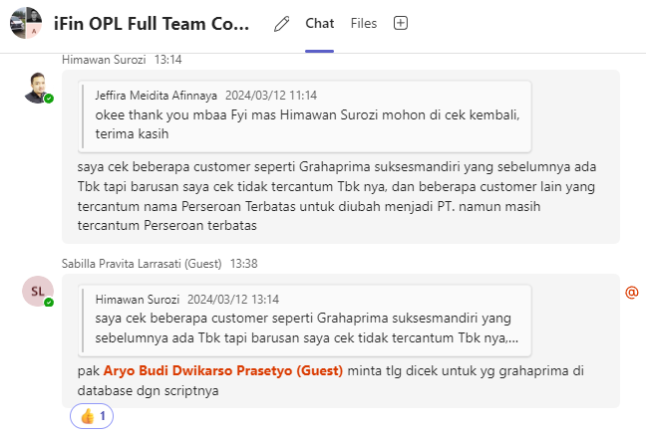

 |  |  |  |  |  |  |  |  |  |  |  |  |  |  |  |  |  |  |  |  |  |  |  |  |  |  |  |  |  |  |  |  |  |  |  |  |  |  |  |  |  |  |  |  |  | AGREEMENT_NO
 |  |  |  |  |  |  |  |  |  |  |  |  |  |  |  |  |  |  |  |  |  |  |  |  |  |  |  |  |  |  |  |  |  |  |  |  |  |  |  |  |  |  |  |  |  | 0000102/4/38/09/2023
 |  |  |  |  |  |  |  |  |  |  |  |  |  |  |  |  |  |  |  |  |  |  |  |  |  |  |  |  |  |  |  |  |  |  |  |  |  |  |  |  |  |  |  |  |  | x`

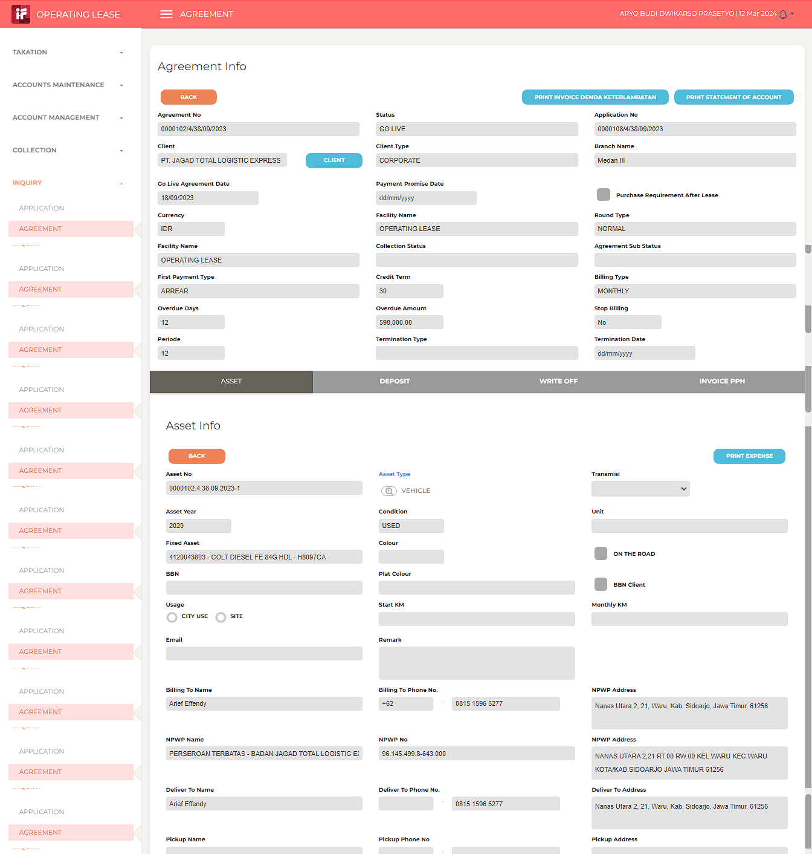
MASIH ADA KATA2
"PERSEROAN TERBATAS"

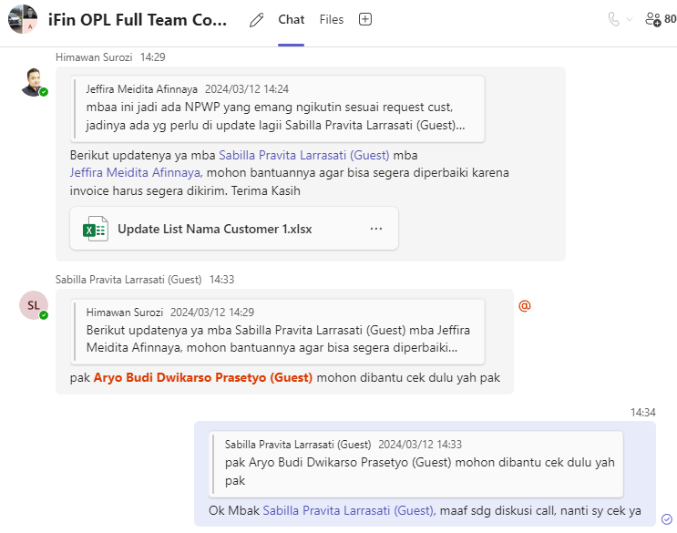

 |  | begin tran;

 |  | declare @TEMP_TABLE table (
 |  | AGREEMENT_NO nvarchar(100),
 |  | ASSET_NO nvarchar(100),
 |  | NPWP_NAME nvarchar(500),
 |  | NEW_NPWP_NAME nvarchar(500),
 |  | MOD_BY nvarchar(30),
 |  | MOD_DATE datetime,
 |  | MOD_IP_ADDRESS nvarchar(30)
...
 |  | 20240313WED

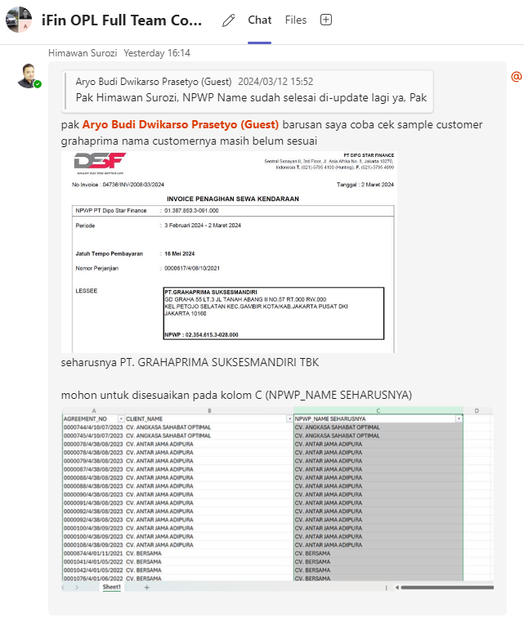
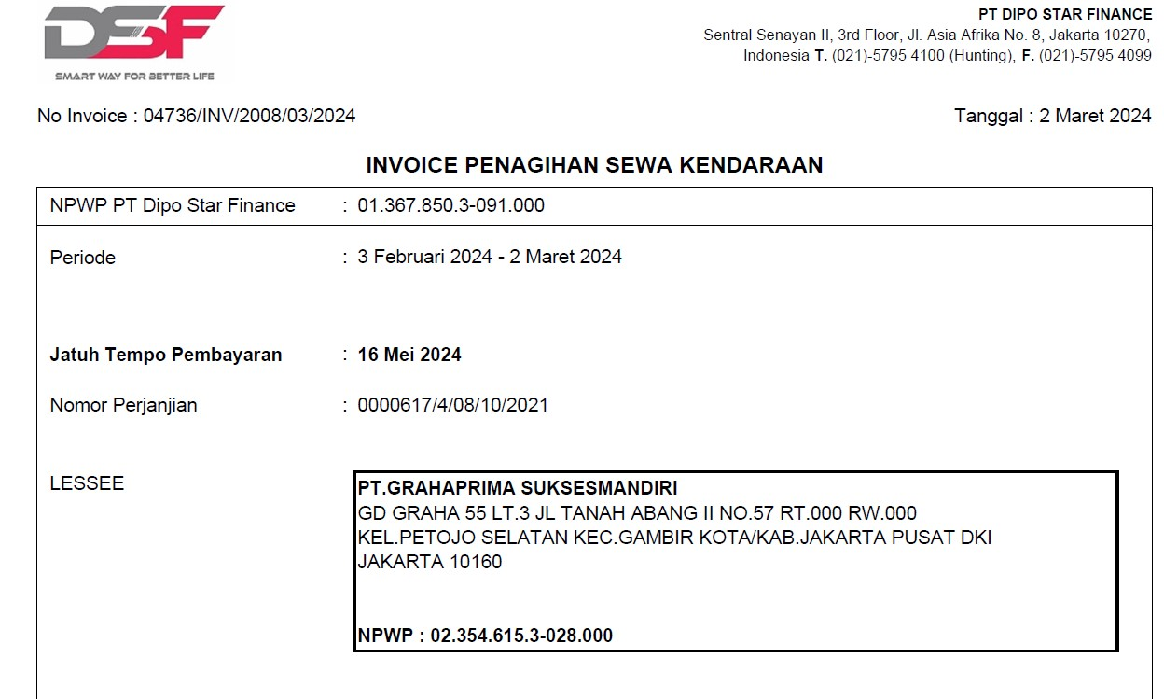

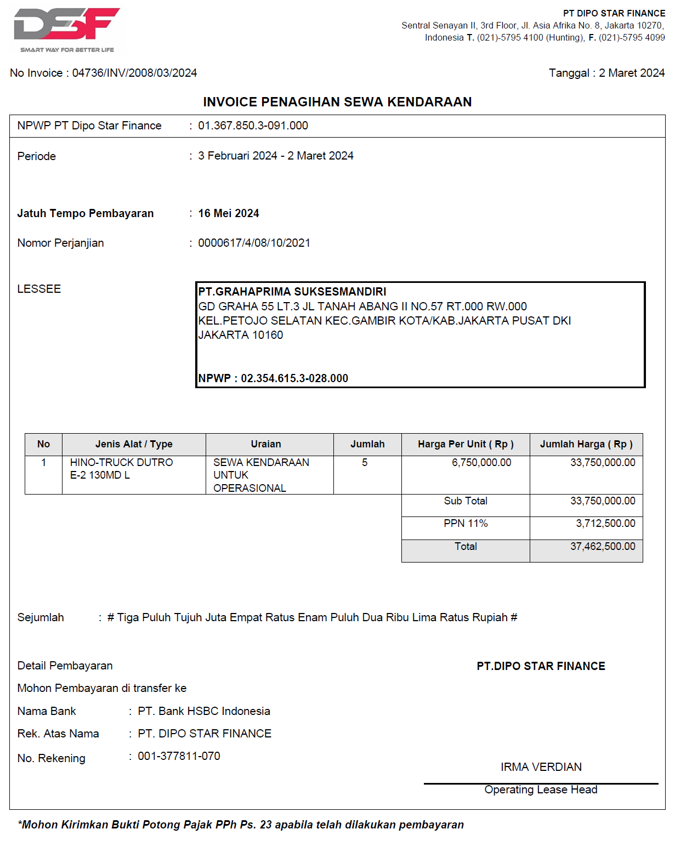
 |  |  |  |  |  |  |  |  |  |  |  |  |  |  |  |  |  |  |  |  |  |  |  |  |  |  |  |  |  |  |  |  |  |  |  | INVOICE_NO
 |  |  |  |  |  |  |  |  |  |  |  |  |  |  |  |  |  |  |  |  |  |  |  |  |  |  |  |  |  |  |  |  |  |  |  | 04736/INV/2008/03/2024

 |  | select
 |  | a.AGREEMENT_NO,
 |  | a.CLIENT_NAME,
 |  | b.NPWP_NAME,
 |  | b.ASSET_NO,
 |  | c.INVOICE_NO,
 |  | d.CLIENT_NAME
 |  | from IFINOPL.dbo.AGREEMENT_MAIN a
 |  | join IFINOPL.dbo.AGREEMENT_ASSET b
 |  | on a.AGREEMENT_NO = b.AGREEMENT_NO
...
20240314THU

 | 0 | #2879

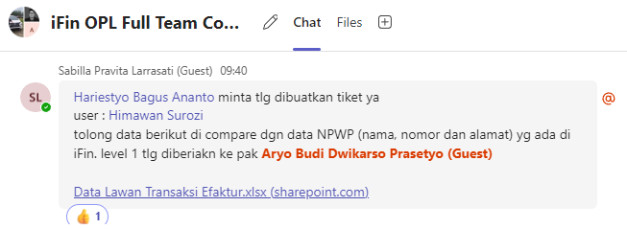

 |  | 20240315FRI

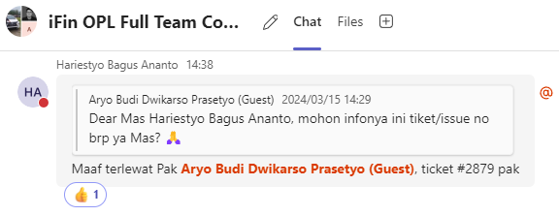

 |  | 20240318MON

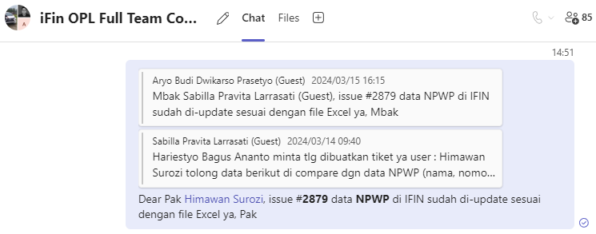

 |  | 20240405FRI

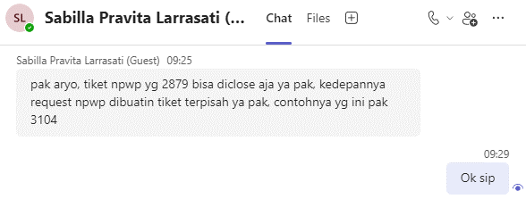

20240321THU

 | 0

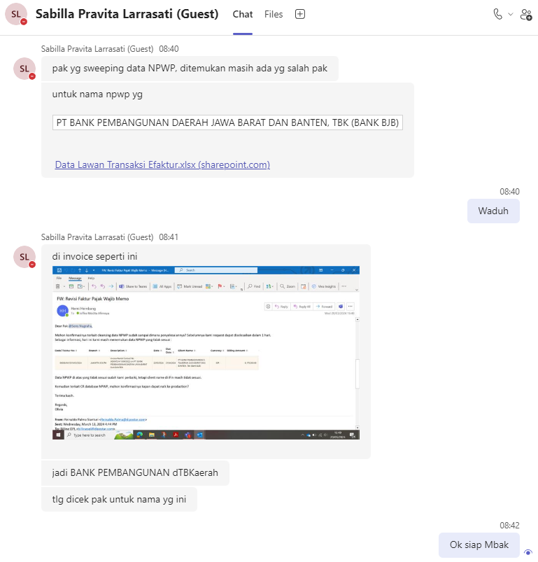
...
 | 0

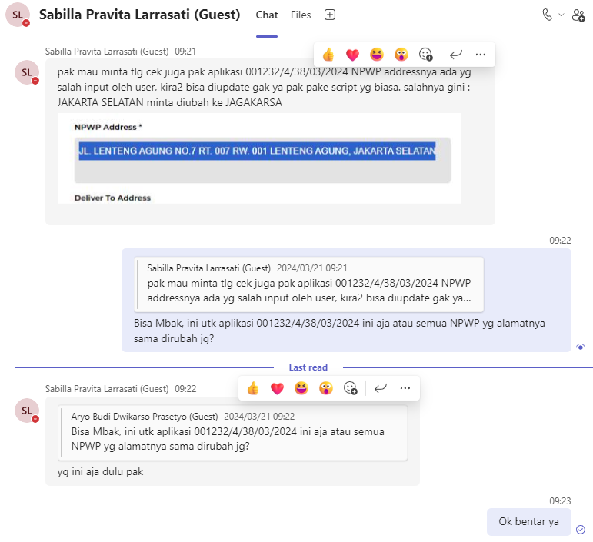
...
 |  | select a.NPWP_ADDRESS, a.*
 |  | from IFINOPL.dbo.APPLICATION_ASSET a
 |  | where a.APPLICATION_NO = replace('0001232/4/38/03/2024', '/', '.');

 |  | begin tran;

 |  | update IFINOPL.dbo.APPLICATION_ASSET
 |  | set
 |  | NPWP_ADDRESS = 'JL. LENTENG AGUNG NO.7 RT. 007 RW. 001 LENTENG AGUNG, JAGAKARSA' -- JL. LENTENG AGUNG NO.7 RT. 007 RW. 001 LENTENG AGUNG, JAKARTA SELATAN
 |  | where APPLICATION_NO = replace('0001232/4/38/03/2024', '/', '.');

 |  | rollback tran;
 |  | --commit tran;

 | 0

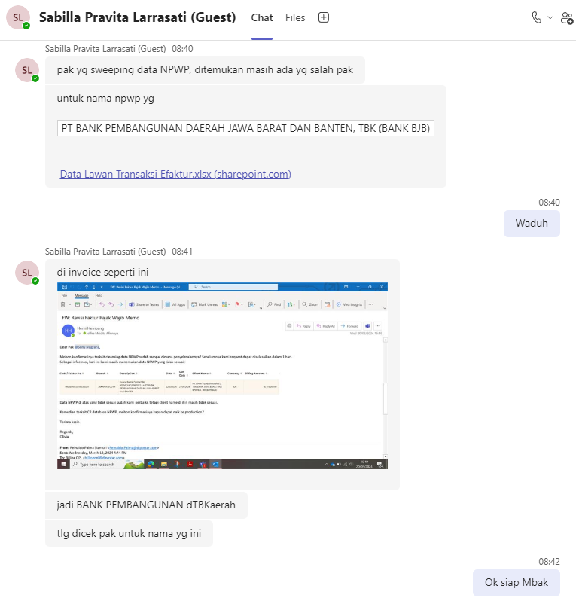
...
 |  | select a.NPWP_NAME, a.*
 |  | from IFINOPL.dbo.AGREEMENT_ASSET a
 |  | where a.NPWP_NAME like '%BANK PEMBANGUNAN DAERAH JAWA BARAT DAN BANTEN%';

 |  | begin tran;

 |  | update IFINOPL.dbo.AGREEMENT_ASSET
 |  | set
 |  | NPWP_NAME = 'PT BANK PEMBANGUNAN DAERAH JAWA BARAT DAN BANTEN, TBK (BANK BJB)' -- PT. BANK PEMBANGUNAN DAERAH JAWA BARAT DAN BANTEN
...
 |  | rollback tran;
 |  | --commit tran;

 | 0 | #2969

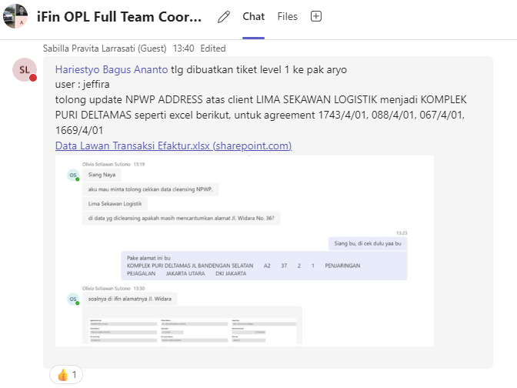
...
 |  | select replace(a.AGREEMENT_NO, '.', '/') [AGREEMENT_NO],
 |  | a.BILLING_TO_NPWP, a.NPWP_NAME, a.NPWP_ADDRESS,
 |  | a.*
 |  | from IFINOPL.dbo.AGREEMENT_ASSET a
 |  | where a.AGREEMENT_NO in (
 |  | replace('0000067/4/01/11/2023', '/', '.'),
 |  | replace('0000088/4/01/12/2023', '/', '.'),
 |  | replace('0001669/4/01/12/2023', '/', '.'),
 |  | replace('0001669/4/01/12/2023', '/', '.'),
 |  | replace('0001743/4/01/01/2024', '/', '.'),
...
 |  | select replace(a.AGREEMENT_NO, '.', '/') [AGREEMENT_NO],
 |  | replace('0000088/4/01/12/2023', '/', '.'),
 |  | replace('0001669/4/01/12/2023', '/', '.'),
 |  | replace('0001669/4/01/12/2023', '/', '.'),
 |  | replace('0001743/4/01/01/2024', '/', '.'),
 |  | replace('0001743/4/01/01/2024', '/', '.')
 |  | );

 |  | rollback tran;
 |  | --commit tran;

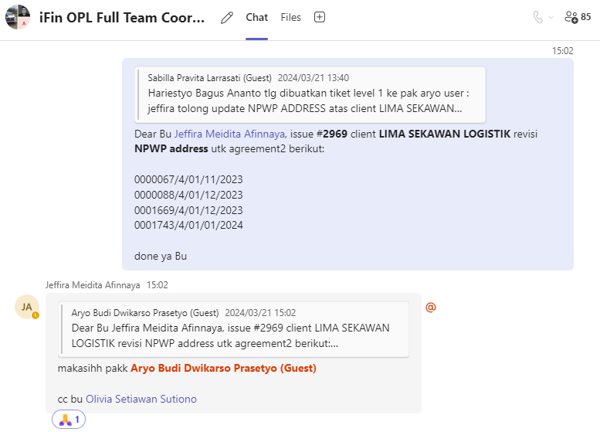

20240327WED

 | 0
...
 |  | AGREEMENT_NO | BILLING_TO_NPWP | NPWP_NAME | NPWP_ADDRESS
 |  | 0002101.4.10.03.2024 | 16825721641000 | BORWITA CITRA PRIMA | Jl. Raya Taman No.48 A, Taman, Kec. Taman, Kabupaten Sidoarjo, Jawa Timur 61257
 |  | 0002101.4.10.03.2024 | 16825721641000 | BORWITA CITRA PRIMA | Jl. Raya Taman No.48 A, Taman, Kec. Taman, Kabupaten Sidoarjo, Jawa Timur 61257
 |  | 0002058.4.38.03.2024 | 315803379448001 | PT INDAH BERKAH BERSAUDARA | Jl. Margonda Raya No 265, RT 001 / 012, Kemiri Muka, Beji, Depok Jawa Barat

20240328THU

 | 0 | Cleansing NPWP

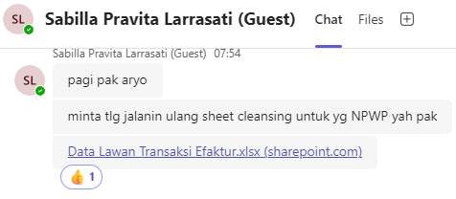

 |  | select x.*, y.*

 |  | from
 |  | (
 |  | select '0002002/4/01/02/2024' AGREEMENT_NO, 'ANDALAN DUA SATU EKSPRES' NPWP_NAME_OLD, 'PT. ANDALAN DUA SATU EKSPRES' NPWP_NAME_NEW union all
 |  | ... <generated from excel file> ...
 |  | select '0001897/4/10/02/2024' AGREEMENT_NO, 'TIRTA INVESTAMA' NPWP_NAME_OLD, 'PT. TIRTA INVESTAMA' NPWP_NAME_NEW
 |  | ) x

 |  | left join
...
 |  | select
 |  | replace(replace(replace(replace(a.BILLING_TO_NPWP, '.', ''), '-', ''), '/', ''), ' ', '') as BILLING_TO_NPWP,
 |  | a.NPWP_NAME,
 |  | a.NPWP_ADDRESS,
 |  | a.CRE_BY, a.CRE_DATE,
 |  | a.MOD_BY, a.MOD_DATE
 |  | from IFINOPL.dbo.AGREEMENT_ASSET a
 |  | where a.AGREEMENT_NO = replace('0000040/4/01/11/2023', '/', '.');
...
 |  | select
 |  | BEFORE

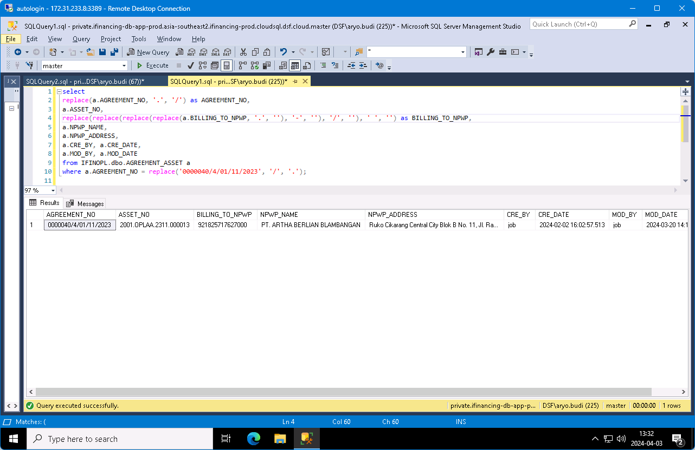

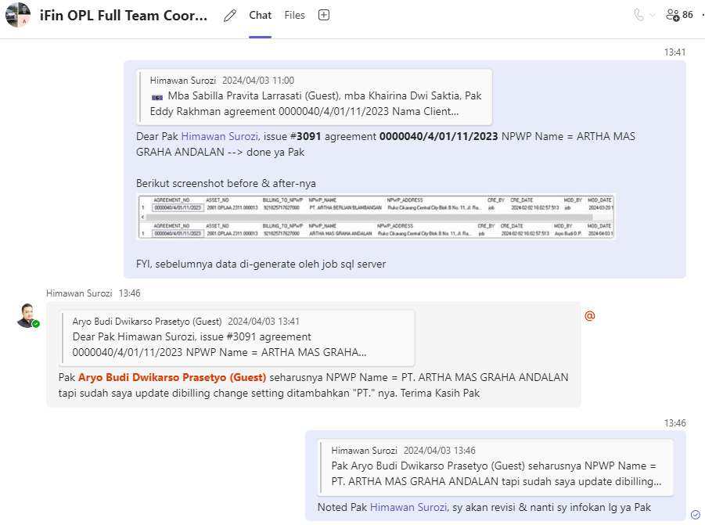
...
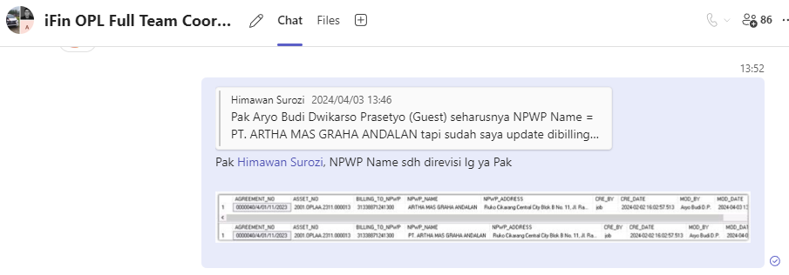

20240403WED

 | 0 | #3104

 |  | Mohon bantuannya untuk dilakukan perbaikan pada APLIKASI 0001316/4/10/03/2024, karena salah input nama dan nomor NPWP. Mohon data diubah menjadi
 |  | PT. KINARYA ALIHDAYA MANDIRI
...
 |  | select
 |  | a.APPLICATION_NO, a.ASSET_NO,
 |  | a.BILLING_TO_NPWP, a.NPWP_NAME, a.NPWP_ADDRESS,
 |  | a.MOD_BY, a.MOD_DATE
 |  | from IFINOPL.dbo.APPLICATION_ASSET a
 |  | where a.APPLICATION_NO = replace('0001316/4/10/03/2024', '/', '.');

 |  | rollback tran;
 |  | --commnit tran;

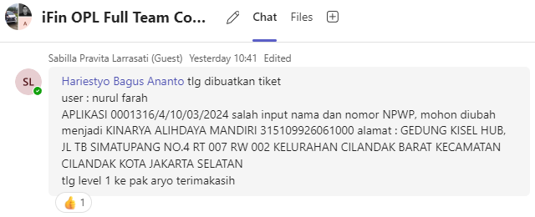

 |  | 20240416TUE

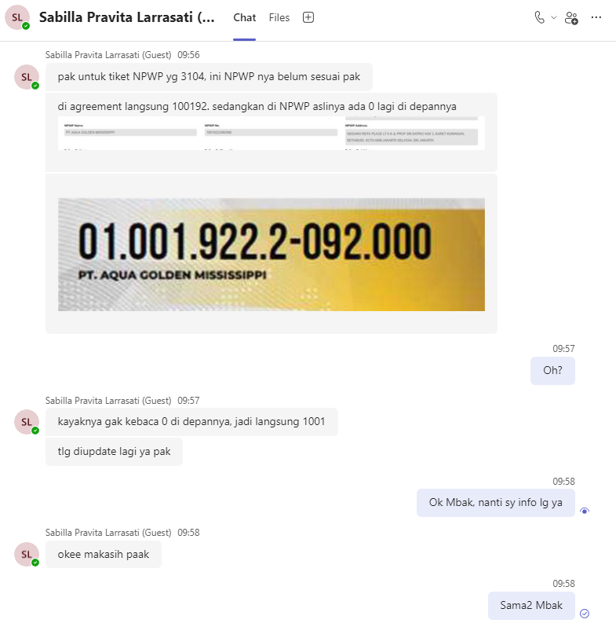
...
 |  | select
 |  | a.AGREEMENT_NO, a.ASSET_NO,
 |  | a.BILLING_TO_NPWP, a.NPWP_NAME, a.NPWP_ADDRESS,
 |  | a.MOD_BY, a.MOD_DATE
 |  | from IFINOPL.dbo.AGREEMENT_ASSET a
 |  | where a.AGREEMENT_NO = replace('0001901/4/10/02/2024', '/', '.')
 |  | and a.ASSET_NO = '2010.OPLAA.2401.000371';

 |  | begin tran;
...
 | 0 | NPWP

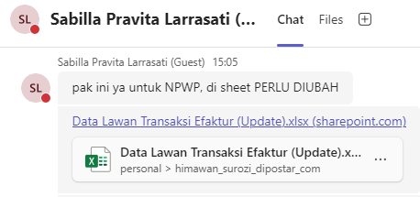

 |  | select distinct
 |  | a.*,
 |  | '|' + b.BILLING_TO_NPWP

 |  | from
 |  | (
 |  | select '0000042/4/03/05/2021' AGREEMENT_NO, '|15397102643002' BILLING_TO_NPWP_OLD, '|015397102643002' BILLING_TO_NPWP_NEW union all
 |  | select '0000057/4/03/08/2021' AGREEMENT_NO, '|15397102643002' BILLING_TO_NPWP_OLD, '|015397102643002' BILLING_TO_NPWP_NEW union all
 |  | select '0000113/4/03/01/2022' AGREEMENT_NO, '|01.539.710.2-643.001' BILLING_TO_NPWP_OLD, '|015397102643002' BILLING_TO_NPWP_NEW union all
...
 |  | rollback tran;
 |  | --commit tran;

 | 0 | #2995

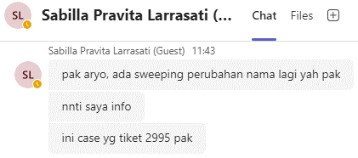

 |  | select distinct
 |  | a.*,
 |  | b.BILLING_TO_NPWP

 |  | from
 |  | (
 |  | select '0000042/4/03/05/2021' AGREEMENT_NO, '15397102643001' BILLING_TO_NPWP_OLD, '015397102643002' BILLING_TO_NPWP_NEW union all
 |  | select '0000203/4/03/07/2023' AGREEMENT_NO, '15397102643002' BILLING_TO_NPWP_OLD, '015397102602001' BILLING_TO_NPWP_NEW union all
 |  | select '0000204/4/03/07/2023' AGREEMENT_NO, '15397102643002' BILLING_TO_NPWP_OLD, '015397102602001' BILLING_TO_NPWP_NEW
 |  | ) a
...
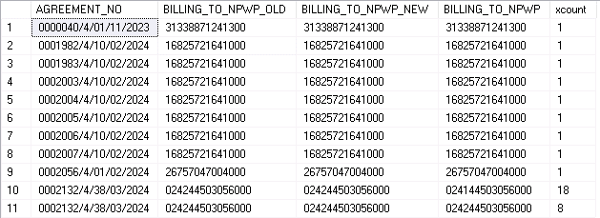
...
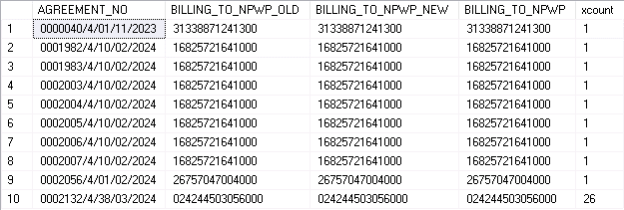
...

20240423TUE
...
 | update IFINOPL.dbo.AGREEMENT_ASSET set NPWP_ADDRESS = 'GEDUNG GRAHA 55 LANTAI 3, JALAN TANAH ABANG II BLOK - NOMOR 57 RT:000 RW:000 Kel.PETOJO SELATAN, Kec.GAMBIR, KOTA ADM. JAKARTA PUSAT, DKI JAKARTA, 10160' where AGREEMENT_NO = replace('0001150/4/08/09/2023', '/', '.');
 | update IFINOPL.dbo.AGREEMENT_ASSET set NPWP_ADDRESS = 'GEDUNG GRAHA 55 LANTAI 3, JALAN TANAH ABANG II BLOK - NOMOR 57 RT:000 RW:000 Kel.PETOJO SELATAN, Kec.GAMBIR, KOTA ADM. JAKARTA PUSAT, DKI JAKARTA, 10160' where AGREEMENT_NO = replace('0001165/4/08/10/2023', '/', '.');
 | update IFINOPL.dbo.AGREEMENT_ASSET set NPWP_ADDRESS = 'GEDUNG GRAHA 55 LANTAI 3, JALAN TANAH ABANG II BLOK - NOMOR 57 RT:000 RW:000 Kel.PETOJO SELATAN, Kec.GAMBIR, KOTA ADM. JAKARTA PUSAT, DKI JAKARTA, 10160' where AGREEMENT_NO = replace('0001166/4/08/10/2023', '/', '.');
 | update IFINOPL.dbo.AGREEMENT_ASSET set NPWP_ADDRESS = 'GEDUNG GRAHA 55 LANTAI 3, JALAN TANAH ABANG II BLOK - NOMOR 57 RT:000 RW:000 Kel.PETOJO SELATAN, Kec.GAMBIR, KOTA ADM. JAKARTA PUSAT, DKI JAKARTA, 10160' where AGREEMENT_NO = replace('0001192/4/08/11/2023', '/', '.');
 | update IFINOPL.dbo.AGREEMENT_ASSET set NPWP_ADDRESS = 'GEDUNG GRAHA 55 LANTAI 3, JALAN TANAH ABANG II BLOK - NOMOR 57 RT:000 RW:000 Kel.PETOJO SELATAN, Kec.GAMBIR, KOTA ADM. JAKARTA PUSAT, DKI JAKARTA, 10160' where AGREEMENT_NO = replace('0001211/4/08/10/2023', '/', '.');
 | update IFINOPL.dbo.AGREEMENT_ASSET set NPWP_ADDRESS = 'GEDUNG GRAHA 55 LANTAI 3, JALAN TANAH ABANG II BLOK - NOMOR 57 RT:000 RW:000 Kel.PETOJO SELATAN, Kec.GAMBIR, KOTA ADM. JAKARTA PUSAT, DKI JAKARTA, 10160' where AGREEMENT_NO = replace('0001215/4/08/12/2023', '/', '.');

 | rollback tran;
 | --commit tran;

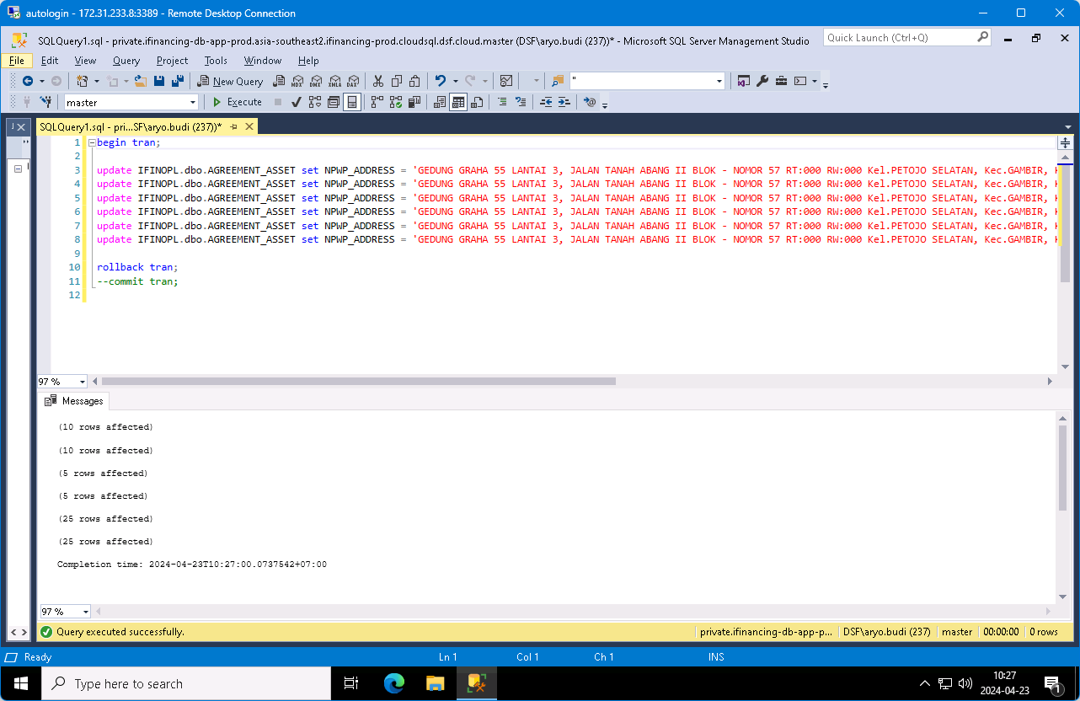

0 | 20240423TUE-002

 | AGREEMENT_EXTERNAL_NO | BEFORE | AFTER
 | 0002172/4/08/04/2024 | KRAMAYUDHA RATU MOTOR | PT. KRAMA YUDHA RATU MOTOR
 | 0001870/4/01/02/2024 | ILYAS | PT. MEGADUTA ARTHA MEGAH
...

20240430TUE
...
 | update IFINOPL.dbo.AGREEMENT_ASSET set NPWP_NAME = 'PT. ANDALAN DUA SATU EKSPRES' where AGREEMENT_NO = replace('0002001/4/01/02/2024', '/', '.');
 | update IFINOPL.dbo.AGREEMENT_ASSET set NPWP_NAME = 'PT. DATASCRIP' where AGREEMENT_NO = replace('0002105/4/08/03/2024', '/', '.');
 | update IFINOPL.dbo.AGREEMENT_ASSET set NPWP_NAME = 'PT. KARYA NIAGA ABADI' where AGREEMENT_NO = replace('0002183/4/10/04/2024', '/', '.');
 | update IFINOPL.dbo.AGREEMENT_ASSET set NPWP_NAME = 'PT. KARYA NIAGA ABADI' where AGREEMENT_NO = replace('0002184/4/10/04/2024', '/', '.');
 | update IFINOPL.dbo.AGREEMENT_ASSET set NPWP_NAME = 'PT. KARYA NIAGA ABADI' where AGREEMENT_NO = replace('0002185/4/10/04/2024', '/', '.');
 | update IFINOPL.dbo.AGREEMENT_ASSET set NPWP_NAME = 'PT. KARYA NIAGA ABADI' where AGREEMENT_NO = replace('0002186/4/10/04/2024', '/', '.');

 | rollback tran;
 | --commit tran;

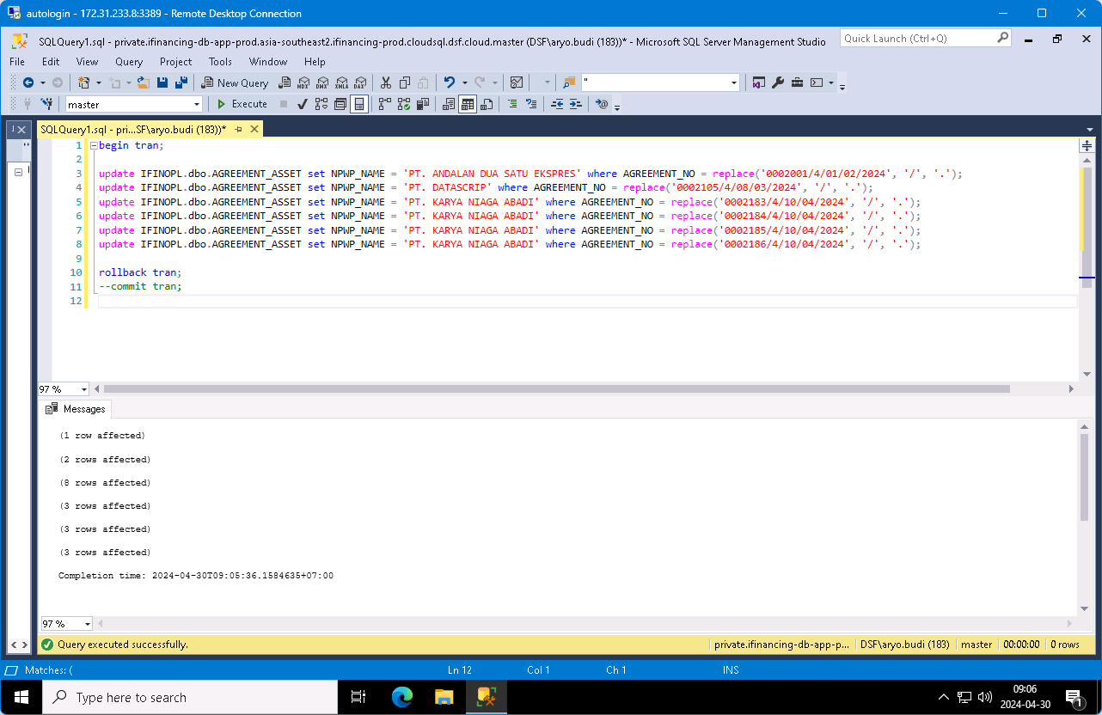

0 | 20240430TUE-002

20240503FRI
20240503FRI

 | 0 | 20240503FRI-001

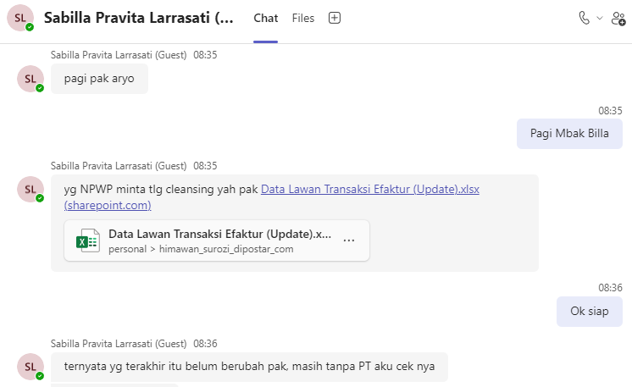

 |  | AGREEMENT_EXTERNAL_NO | BEFORE
 |  | 0002001/4/01/02/2024 | ANDALAN DUA SATU EKSPRES
 |  | 0002105/4/08/03/2024 | DATASCRIP
 |  | 0002183/4/10/04/2024 | KARYA NIAGA ABADI
 |  | 0002183/4/10/04/2024 | KARYA NIAGA ABADI
 |  | 0002184/4/10/04/2024 | KARYA NIAGA ABADI
 |  | 0002185/4/10/04/2024 | KARYA NIAGA ABADI
 |  | 0002185/4/10/04/2024 | KARYA NIAGA ABADI
 |  | 0002186/4/10/04/2024 | KARYA NIAGA ABADI
...

20240516THU
...
order by a.AGREEMENT_NO;

BEFORE

AGREEMENT_NO | NPWP_ADDRESS_OLD | NPWP_ADDRESS_NEW | NPWP_ADDRESS
0001830/4/01/01/2024 | JL. Saleh Sungkar, Bintaro, Ampenan Kota Mataram, Nusa Tenggara Barat | JL. Saleh Sungkar, Bintaro, Ampenan, Kota Mataram, Nusa Tenggara Barat, 83111 | JL. Saleh Sungkar, Bintaro, Ampenan Kota Mataram, Nusa Tenggara Barat
0001830/4/01/01/2024 | JL. Saleh Sungkar, Bintaro, Ampenan Kota Mataram, Nusa Tenggara Barat | JL. Saleh Sungkar, Bintaro, Ampenan, Kota Mataram, Nusa Tenggara Barat, 83111 | Jl. Saleh Sungkar, Bintaro, Ampenan, Kota Mataram, Nusa Tenggara Barat
0001830/4/01/01/2024 | Jl. Saleh Sungkar, Bintaro, Ampenan, Kota Mataram, Nusa Tenggara Barat | JL. Saleh Sungkar, Bintaro, Ampenan, Kota Mataram, Nusa Tenggara Barat, 83111 | JL. Saleh Sungkar, Bintaro, Ampenan Kota Mataram, Nusa Tenggara Barat
0001830/4/01/01/2024 | Jl. Saleh Sungkar, Bintaro, Ampenan, Kota Mataram, Nusa Tenggara Barat | JL. Saleh Sungkar, Bintaro, Ampenan, Kota Mataram, Nusa Tenggara Barat, 83111 | Jl. Saleh Sungkar, Bintaro, Ampenan, Kota Mataram, Nusa Tenggara Barat

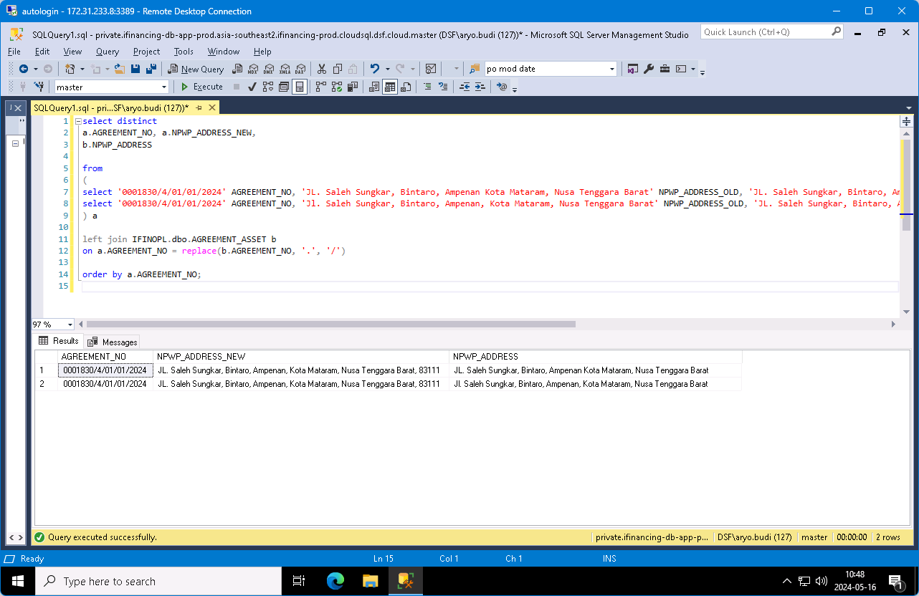

begin tran;

update IFINOPL.dbo.AGREEMENT_ASSET set NPWP_ADDRESS = 'JL. Saleh Sungkar, Bintaro, Ampenan, Kota Mataram, Nusa Tenggara Barat, 83111' where AGREEMENT_NO = replace('0001830/4/01/01/2024', '/', '.');
update IFINOPL.dbo.AGREEMENT_ASSET set NPWP_ADDRESS = 'JL. Saleh Sungkar, Bintaro, Ampenan, Kota Mataram, Nusa Tenggara Barat, 83111' where AGREEMENT_NO = replace('0001830/4/01/01/2024', '/', '.');
update IFINOPL.dbo.AGREEMENT_ASSET set NPWP_ADDRESS = 'JL. Saleh Sungkar, Bintaro, Ampenan, Kota Mataram, Nusa Tenggara Barat, 83111' where AGREEMENT_NO = replace('0001830/4/01/01/2024', '/', '.');
update IFINOPL.dbo.AGREEMENT_ASSET set NPWP_ADDRESS = 'JL. Saleh Sungkar, Bintaro, Ampenan, Kota Mataram, Nusa Tenggara Barat, 83111' where AGREEMENT_NO = replace('0001830/4/01/01/2024', '/', '.');

rollback tran;
--commit tran;

AFTER


...

